Provincial ranking
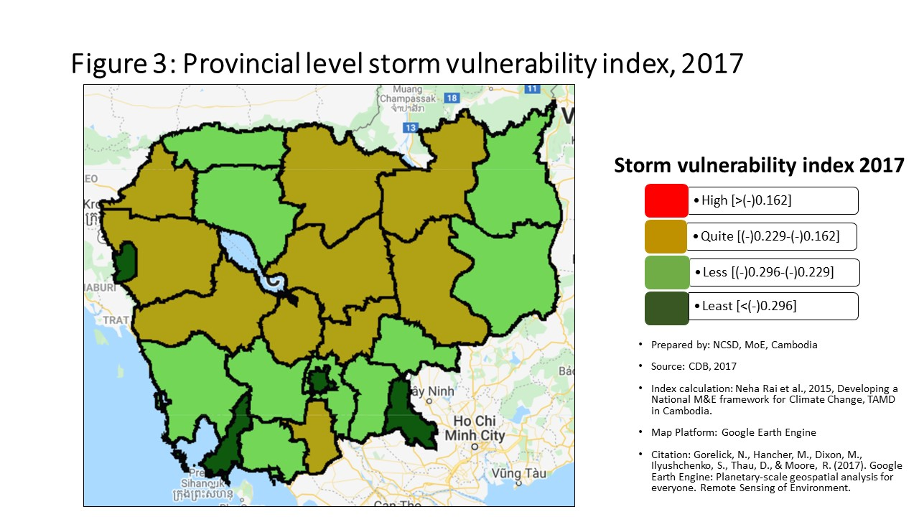
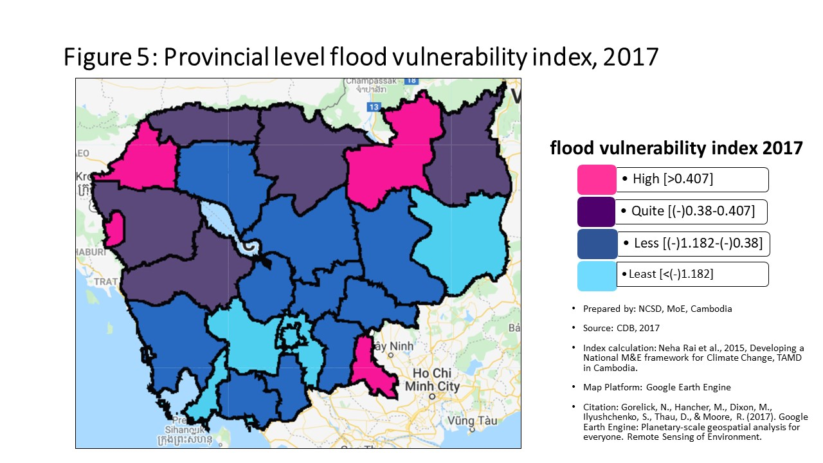
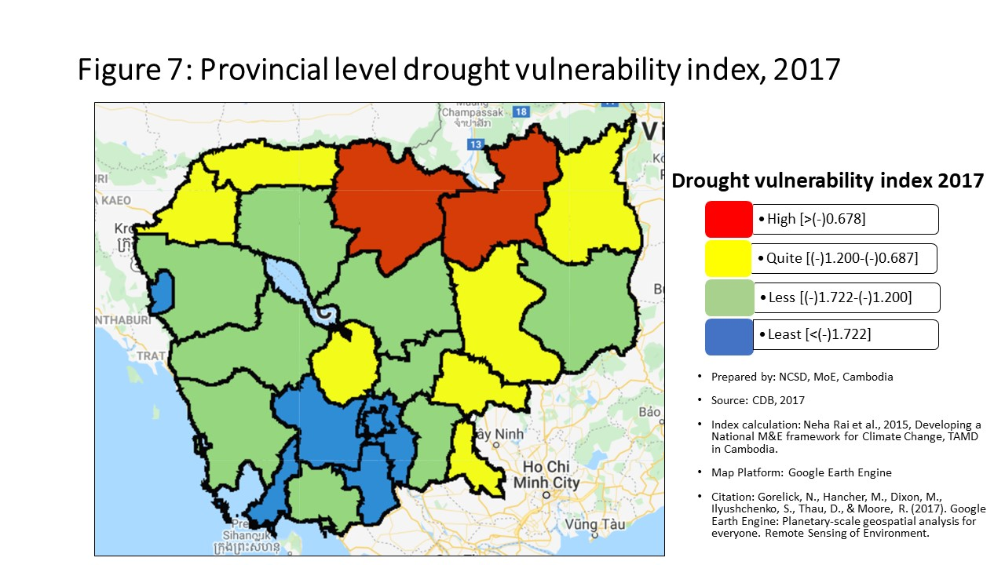
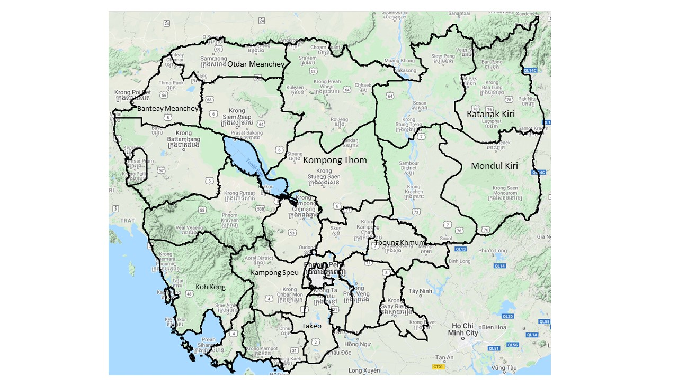
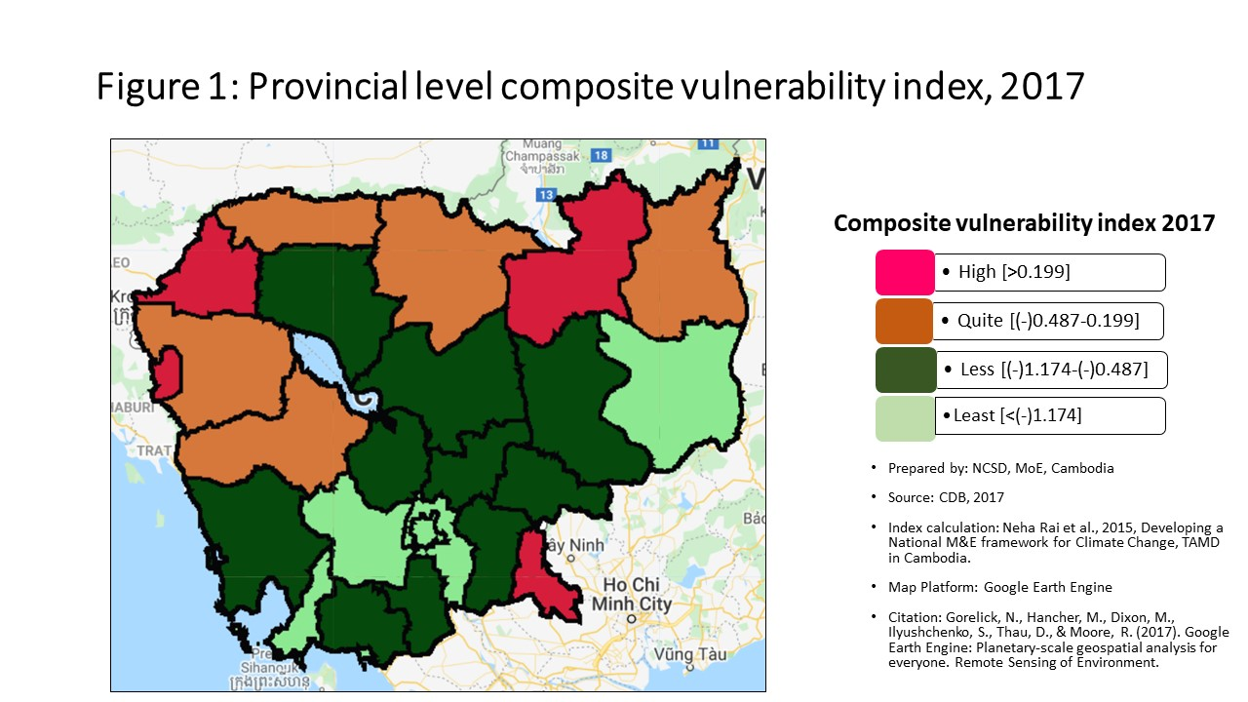
Vulnerability Index by province, 2017
Prepared by: | NCSD, MoE, Cambodia
Source: | CDB 2017
PROV_CODE | PROV_NAME | Storm VI | Rank | Flood VI | Rank | Drought VI | Rank | Composite VI | Rank
1 | Banteay Meanchey | -0.203 | 3 | 0.607 | 3 | -1.072 | 7 | 0.474 | 3
2 | Battambang | -0.207 | 5 | 0.114 | 5 | -1.338 | 14 | 0.089 | 5
3 | Kampong Cham | -0.213 | 7 | -0.803 | 15 | -1.380 | 15 | -0.776 | 15
4 | Kampong Chhnang | -0.205 | 4 | -0.533 | 12 | -1.167 | 9 | -0.601 | 13
5 | Kampong Speu | -0.243 | 11 | -2.088 | 23 | -2.465 | 23 | -2.043 | 23
6 | Kampong Thom | -0.223 | 9 | -0.459 | 10 | -1.255 | 11 | -0.511 | 10
7 | Kampot | -0.256 | 18 | -1.060 | 18 | -1.600 | 18 | -1.058 | 18
8 | Kandal | -0.244 | 12 | -1.462 | 22 | -2.079 | 22 | -1.454 | 22
9 | Koh Kong | -0.252 | 15 | -1.037 | 16 | -1.231 | 10 | -1.005 | 16
10 | Kracheh | -0.224 | 10 | -0.564 | 13 | -1.040 | 6 | -0.538 | 11
11 | Mondul Kiri | -0.272 | 20 | -1.439 | 21 | -1.600 | 17 | -1.350 | 20
12 | Phnom Penh | -0.529 | 25 | -2.787 | 25 | -3.050 | 25 | -2.743 | 25
13 | Preah Vihear | -0.193 | 1 | -0.066 | 8 | -0.306 | 1 | -0.125 | 8
14 | Prey Veng | -0.255 | 17 | -0.781 | 14 | -1.439 | 16 | -0.746 | 14
15 | Pursat | -0.209 | 6 | -0.229 | 9 | -1.312 | 13 | -0.393 | 9
16 | Ratanak Kiri | -0.266 | 19 | 0.064 | 6 | -0.972 | 4 | 0.017 | 7
17 | Siem Reap | -0.254 | 16 | -0.511 | 11 | -1.261 | 12 | -0.561 | 12
18 | Preah Sihanouk | -0.299 | 22 | -2.334 | 24 | -2.520 | 24 | -2.285 | 24
19 | Stung Treng | -0.218 | 8 | 0.870 | 2 | -0.578 | 2 | 0.448 | 4
20 | Svay Rieng | -0.360 | 24 | 0.564 | 4 | -1.021 | 5 | 0.508 | 2
21 | Takeo | -0.201 | 2 | -1.056 | 17 | -1.724 | 20 | -1.066 | 19
22 | Otdar Meanchey | -0.248 | 13 | -0.022 | 7 | -0.874 | 3 | 0.046 | 6
23 | Kep | -0.250 | 14 | -1.337 | 20 | -1.614 | 19 | -1.355 | 21
24 | Pailin | -0.332 | 23 | 0.995 | 1 | -1.746 | 21 | 0.858 | 1
25 | Tboung Khmum | -0.282 | 21 | -1.081 | 19 | -1.076 | 8 | -1.045 | 17

Percentage
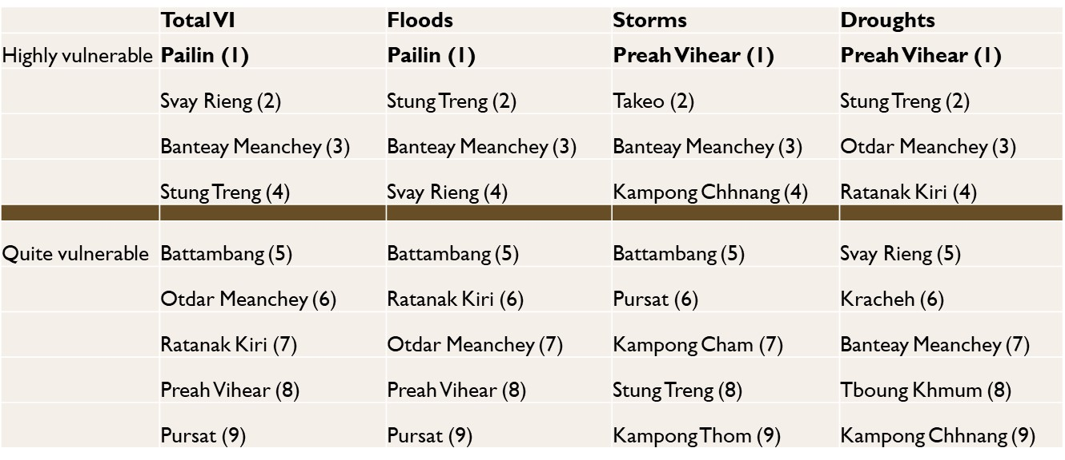
Communes that are 'highly vulnerable' to climate hazards in each provinces, by hazard type
 | Hightly vunlerble |  |  |  | Quite Vulnerable
 | Storm | Flood | Drought |  | Storm | Flood | Drought
Banteay Meanchey | 21.54% | 50.77% | 35.38% | Banteay Meanchey | 52.31% | 33.85% | 29.23%
Battambang | 25.49% | 28.43% | 16.67% | Battambang | 42.16% | 36.27% | 40.20%
Kampong Cham | 16.51% | 6.42% | 15.60% | Kampong Cham | 51.38% | 18.35% | 30.28%
Kampong Chhnang | 27.14% | 10.00% | 37.14% | Kampong Chhnang | 22.86% | 28.57% | 17.14%
Kampong Speu | 5.75% | 3.45% | 1.15% | Kampong Speu | 33.33% | 2.30% | 10.34%
Kampong Thom | 18.52% | 16.05% | 38.27% | Kampong Thom | 33.33% | 32.10% | 30.86%
Kampot | 6.45% | 3.23% | 11.83% | Kampot | 31.18% | 11.83% | 25.81%
Kandal | 14.96% | 9.45% | 4.72% | Kandal | 27.56% | 7.87% | 11.81%
Koh Kong | 10.34% | 3.45% | 37.93% | Koh Kong | 20.69% | 24.14% | 27.59%
Kracheh | 21.28% | 10.64% | 44.68% | Kracheh | 36.17% | 31.91% | 27.66%
Mondul Kiri | 0.00% | 0.00% | 23.81% | Mondul Kiri | 19.05% | 19.05% | 19.05%
Phnom Penh | 0.00% | 0.95% | 0.00% | Phnom Penh | 0.00% | 0.95% | 0.95%
Preah Vihear | 31.37% | 11.76% | 66.67% | Preah Vihear | 43.14% | 54.90% | 15.69%
Prey Veng | 9.48% | 6.90% | 17.24% | Prey Veng | 22.41% | 24.14% | 31.90%
Pursat | 16.33% | 18.37% | 28.57% | Pursat | 53.06% | 32.65% | 32.65%
Ratanak Kiri | 6.00% | 20.00% | 54.00% | Ratanak Kiri | 16.00% | 28.00% | 24.00%
Siem Reap | 9.00% | 16.00% | 48.00% | Siem Reap | 40.00% | 37.00% | 16.00%
Preah Sihanouk | 3.45% | 3.45% | 10.34% | Preah Sihanouk | 31.03% | 3.45% | 0.00%
Stung Treng | 17.65% | 17.65% | 70.59% | Stung Treng | 41.18% | 58.82% | 17.65%
Communes that are 'quite vulnerable' to climate hazards in each provinces, by hazard type
Svay Rieng | 0.00% | 30.00% | 22.50% | Svay Rieng | 1.25% | 20.00% | 30.00%
Takeo | 25.00% | 8.00% | 9.00% | Takeo | 35.00% | 17.00% | 25.00%
Otdar Meanchey | 12.50% | 29.17% | 58.33% | Otdar Meanchey | 20.83% | 50.00% | 20.83%
Kep | 0.00% | 0.00% | 0.00% | Kep | 40.00% | 0.00% | 20.00%
Pailin | 0.00% | 62.50% | 0.00% | Pailin | 12.50% | 25.00% | 37.50%
Tboung Khmum | 3.13% | 7.81% | 18.75% | Tboung Khmum | 12.50% | 17.19% | 28.13%

Commune Ranking
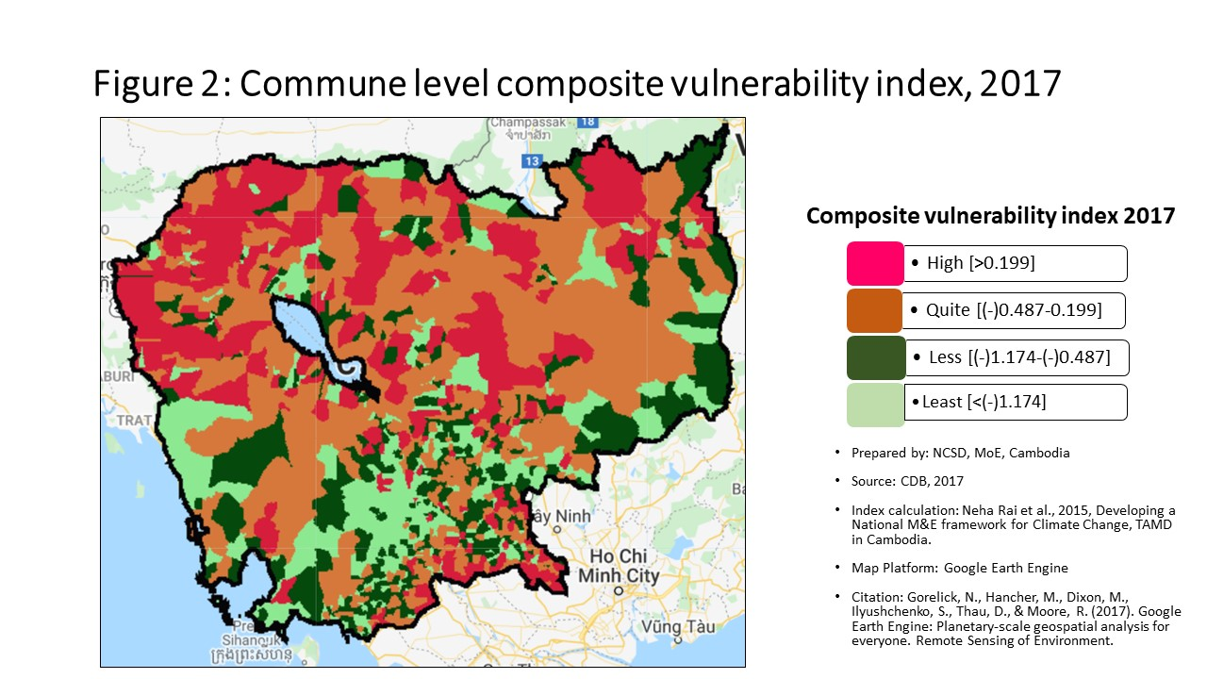
Vulnerability Index by commune, 2017
Prepared by: | NCSD, MoE,Cambodia
Source: | CDB 2017
CommGis | Province | District | Commune | Storm VI | Rank | FLOOD VI | Rank | Drought VI | Rank | Composite VI | Rank
11002 | Banteay Meanchey | Paoy Paet | Paoy Paet | -0.31 | 1289 | -2.42 | 1423 | -2.63 | 1395 | -2.434 | 1437
11001 | Banteay Meanchey | Paoy Paet | Nimitt | -0.19 | 406 | -1.51 | 1168 | -2.33 | 1305 | -1.405 | 1160
11003 | Banteay Meanchey | Paoy Paet | Phsar Kandal | -0.23 | 736 | -0.60 | 729 | -1.97 | 1181 | -0.882 | 925
10201 | Banteay Meanchey | Mongkol Borei | Banteay Neang | -0.15 | 171 | 1.44 | 119 | -1.51 | 960 | 1.478 | 97
10202 | Banteay Meanchey | Mongkol Borei | Bat Trang | -0.20 | 439 | -0.01 | 365 | -0.71 | 415 | 0.119 | 314
10203 | Banteay Meanchey | Mongkol Borei | Chamnaom | -0.22 | 606 | 1.23 | 138 | -1.29 | 834 | 0.744 | 158
10204 | Banteay Meanchey | Mongkol Borei | Kouk Ballangk | -0.15 | 160 | 0.51 | 211 | -0.29 | 139 | 0.518 | 194
10205 | Banteay Meanchey | Mongkol Borei | Koy Maeng | -0.23 | 689 | -0.38 | 595 | -1.42 | 905 | -0.417 | 664
10206 | Banteay Meanchey | Mongkol Borei | Ou Prasat | -0.15 | 178 | -0.88 | 880 | -1.40 | 896 | -0.862 | 913
10207 | Banteay Meanchey | Mongkol Borei | Phnum Touch | -0.21 | 544 | 0.15 | 290 | -2.46 | 1354 | -0.264 | 555
10208 | Banteay Meanchey | Mongkol Borei | Rohat Tuek | -0.17 | 256 | 2.71 | 65 | -0.91 | 567 | 1.922 | 70
10209 | Banteay Meanchey | Mongkol Borei | Ruessei Kraok | -0.23 | 751 | -1.75 | 1236 | -2.76 | 1420 | -1.778 | 1268
10210 | Banteay Meanchey | Mongkol Borei | Sambuor | -0.19 | 376 | 0.45 | 214 | -0.43 | 205 | 0.415 | 213
10211 | Banteay Meanchey | Mongkol Borei | Soea | -0.16 | 231 | 0.35 | 234 | -0.70 | 410 | 0.400 | 219
10212 | Banteay Meanchey | Mongkol Borei | Srah Reang | -0.12 | 86 | 0.45 | 213 | -0.69 | 406 | 0.569 | 179
10213 | Banteay Meanchey | Mongkol Borei | Ta Lam | -0.11 | 77 | 0.44 | 216 | -0.60 | 340 | 0.401 | 217
10301 | Banteay Meanchey | Phnum Srok | Nam Tau | -0.18 | 327 | 0.96 | 157 | -0.33 | 160 | 1.079 | 131
10302 | Banteay Meanchey | Phnum Srok | Poy Char | -0.14 | 126 | 2.51 | 72 | -0.21 | 94 | 2.475 | 44
10303 | Banteay Meanchey | Phnum Srok | Ponley | -0.22 | 652 | 0.91 | 164 | -0.76 | 449 | 0.989 | 140
10304 | Banteay Meanchey | Phnum Srok | Spean Sraeng | -0.13 | 114 | 0.36 | 229 | -0.32 | 153 | 0.396 | 221
10305 | Banteay Meanchey | Phnum Srok | Srah Chik | -0.21 | 513 | 2.21 | 86 | -0.50 | 243 | 2.227 | 54
10306 | Banteay Meanchey | Phnum Srok | Phnum Dei | -0.17 | 250 | 1.14 | 148 | -0.71 | 414 | 1.160 | 124
10401 | Banteay Meanchey | Preah Netr Preah | Chnuor Mean Chey | -0.18 | 350 | 0.68 | 190 | -0.90 | 559 | 0.781 | 156
10402 | Banteay Meanchey | Preah Netr Preah | Chob Veari | -0.23 | 727 | 8.76 | 10 | -1.01 | 643 | 5.970 | 14
10403 | Banteay Meanchey | Preah Netr Preah | Phnum Lieb | -0.22 | 588 | 1.25 | 136 | -0.59 | 319 | 1.127 | 127
10404 | Banteay Meanchey | Preah Netr Preah | Prasat | -0.21 | 511 | -0.04 | 383 | -0.77 | 455 | 0.101 | 322
10405 | Banteay Meanchey | Preah Netr Preah | Preah Netr Preah | -0.23 | 720 | 1.31 | 129 | -0.69 | 403 | 1.017 | 137
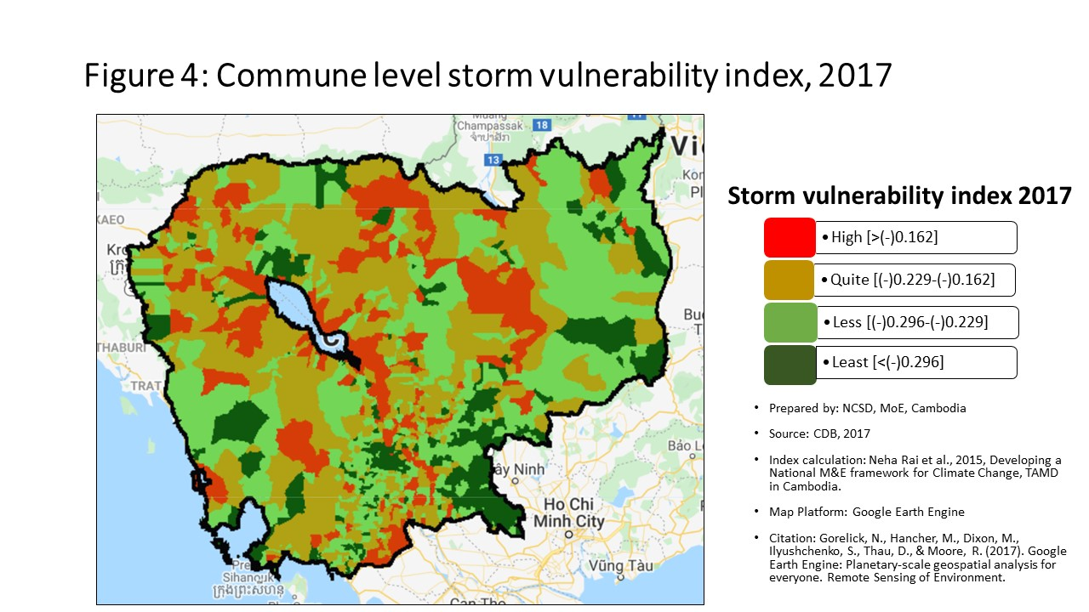
10406 | Banteay Meanchey | Preah Netr Preah | Rohal | -0.19 | 390 | 1.18 | 146 | -0.61 | 345 | 1.268 | 119
10407 | Banteay Meanchey | Preah Netr Preah | Tean Kam | -0.18 | 318 | 1.41 | 121 | 0.68 | 15 | 1.379 | 108
10408 | Banteay Meanchey | Preah Netr Preah | Tuek Chour | -0.20 | 469 | 1.44 | 118 | -1.45 | 920 | 0.866 | 151
10409 | Banteay Meanchey | Preah Netr Preah | Bos Sbov | -0.20 | 479 | 0.16 | 286 | -0.53 | 271 | 0.148 | 296
10501 | Banteay Meanchey | Ou Chrov | Changha | -0.18 | 315 | 2.58 | 68 | -0.48 | 228 | 1.976 | 67
10502 | Banteay Meanchey | Ou Chrov | Koub | -0.27 | 1043 | 0.57 | 201 | -1.55 | 980 | 0.173 | 287
10503 | Banteay Meanchey | Ou Chrov | Kuttasat | -0.26 | 993 | 0.69 | 188 | -0.54 | 283 | 0.683 | 166
10509 | Banteay Meanchey | Ou Chrov | Ou Bei Choan | -0.14 | 129 | -0.02 | 374 | -1.81 | 1113 | -0.417 | 665
10505 | Banteay Meanchey | Ou Chrov | Samraong | -0.19 | 383 | -0.34 | 578 | -0.82 | 493 | -0.281 | 563
10506 | Banteay Meanchey | Ou Chrov | Souphi | -0.22 | 607 | 1.41 | 122 | -1.42 | 904 | 1.426 | 105
10507 | Banteay Meanchey | Ou Chrov | Soengh | -0.19 | 379 | 0.29 | 250 | -0.33 | 158 | 0.423 | 208
10608 | Banteay Meanchey | Serei Saophoan | Tuek Thla | -0.25 | 881 | 0.14 | 295 | -0.92 | 575 | 0.094 | 326
10602 | Banteay Meanchey | Serei Saophoan | Kampong Svay | -0.28 | 1133 | -2.00 | 1305 | -2.41 | 1337 | -1.873 | 1295
10603 | Banteay Meanchey | Serei Saophoan | Kaoh Pong Satv | -0.16 | 193 | 0.13 | 301 | -0.52 | 259 | 0.097 | 325
10604 | Banteay Meanchey | Serei Saophoan | Mkak | -0.31 | 1272 | 0.11 | 310 | -0.69 | 398 | 0.123 | 311
10605 | Banteay Meanchey | Serei Saophoan | Ou Ambel | -0.30 | 1218 | -2.93 | 1503 | -3.21 | 1505 | -2.789 | 1495
10606 | Banteay Meanchey | Serei Saophoan | Phniet | -0.22 | 600 | 3.06 | 58 | -0.58 | 308 | 2.211 | 56
10607 | Banteay Meanchey | Serei Saophoan | Preah Ponlea | -0.38 | 1446 | -2.05 | 1323 | -2.24 | 1271 | -2.033 | 1348
10701 | Banteay Meanchey | Thma Puok | Banteay Chhmar | -0.21 | 535 | -0.08 | 398 | -0.82 | 502 | -0.057 | 407
10702 | Banteay Meanchey | Thma Puok | Kouk Romiet | -0.16 | 192 | 0.43 | 219 | -0.54 | 278 | 0.533 | 187
10703 | Banteay Meanchey | Thma Puok | Phum Thmei | -0.22 | 648 | 0.29 | 251 | -0.64 | 363 | 0.381 | 227
10704 | Banteay Meanchey | Thma Puok | Thma Puok | -0.20 | 441 | 0.24 | 269 | -0.91 | 566 | 0.284 | 256
10705 | Banteay Meanchey | Thma Puok | Kouk Kakthen | -0.22 | 650 | 2.34 | 80 | -0.36 | 171 | 1.914 | 71
10706 | Banteay Meanchey | Thma Puok | Kumru | -0.23 | 729 | -0.51 | 672 | -1.29 | 835 | -0.375 | 635
10801 | Banteay Meanchey | Svay Chek | Phkoam | -0.21 | 507 | 1.42 | 120 | -0.71 | 417 | 1.465 | 99
10802 | Banteay Meanchey | Svay Chek | Sarongk | -0.27 | 1052 | 0.10 | 314 | -0.78 | 463 | 0.216 | 275
10803 | Banteay Meanchey | Svay Chek | Sla Kram | -0.21 | 519 | 0.34 | 238 | -0.58 | 314 | 0.386 | 224
10804 | Banteay Meanchey | Svay Chek | Svay Chek | -0.15 | 185 | -0.05 | 386 | -1.14 | 731 | 0.086 | 330
10805 | Banteay Meanchey | Svay Chek | Ta Baen | -0.16 | 203 | 0.18 | 280 | -0.42 | 198 | 0.306 | 250
10806 | Banteay Meanchey | Svay Chek | Ta Phou | -0.17 | 285 | 3.77 | 38 | -0.59 | 318 | 2.600 | 42
10807 | Banteay Meanchey | Svay Chek | Treas | -0.15 | 175 | 1.79 | 101 | -0.84 | 518 | 1.478 | 96
10808 | Banteay Meanchey | Svay Chek | Roluos | -0.20 | 480 | -1.48 | 1156 | -2.58 | 1381 | -1.360 | 1141
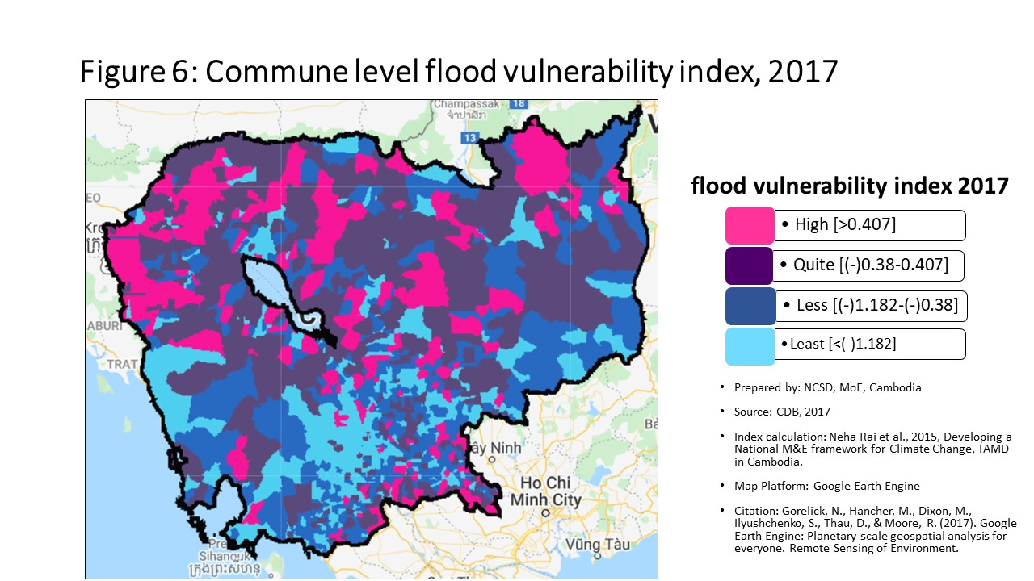
10901 | Banteay Meanchey | Malai | Boeng Beng | -0.24 | 799 | 2.23 | 84 | -2.13 | 1235 | 1.610 | 87
10902 | Banteay Meanchey | Malai | Malai | -0.23 | 726 | 0.11 | 312 | -1.45 | 922 | 0.192 | 281
10903 | Banteay Meanchey | Malai | Ou Sampoar | -0.20 | 467 | 0.60 | 197 | -1.73 | 1080 | 0.678 | 168
10904 | Banteay Meanchey | Malai | Ou Sralau | -0.24 | 839 | 0.26 | 260 | -1.43 | 912 | 0.355 | 236
10905 | Banteay Meanchey | Malai | Tuol Pongro | -0.17 | 293 | 0.70 | 187 | -1.88 | 1136 | 0.103 | 321
10906 | Banteay Meanchey | Malai | Ta Kong | -0.16 | 210 | 0.69 | 189 | -0.54 | 280 | 0.712 | 164
20101 | Battambang | Banan | Kantueu Muoy | -0.18 | 326 | 2.09 | 90 | -0.70 | 408 | 1.450 | 102
20102 | Battambang | Banan | Kantueu Pir | -0.17 | 276 | 9.68 | 8 | -1.09 | 695 | 6.362 | 10
20103 | Battambang | Banan | Bay Damram | -0.20 | 447 | -0.55 | 698 | -0.72 | 424 | -0.534 | 739
20104 | Battambang | Banan | Chheu Teal | -0.21 | 541 | -1.28 | 1066 | -1.63 | 1028 | -1.148 | 1045
20105 | Battambang | Banan | Chaeng Mean Chey | -0.19 | 375 | 0.58 | 200 | -0.67 | 390 | 0.679 | 167
20106 | Battambang | Banan | Phnum Sampov | -0.22 | 649 | 0.38 | 225 | -1.26 | 809 | 0.084 | 332
20107 | Battambang | Banan | Snoeng | -0.20 | 493 | 0.52 | 208 | -1.54 | 975 | 0.349 | 239
20108 | Battambang | Banan | Ta Kream | -0.19 | 421 | -0.61 | 738 | -1.31 | 843 | -0.494 | 713
20201 | Battambang | Thma Koul | Ta Pung | -0.16 | 219 | -1.57 | 1185 | -2.29 | 1290 | -1.475 | 1182
20202 | Battambang | Thma Koul | Ta Meun | -0.19 | 381 | -0.43 | 621 | -1.27 | 816 | -0.401 | 649
20203 | Battambang | Thma Koul | Ou Ta Ki | -0.12 | 90 | -0.08 | 399 | -0.73 | 432 | -0.046 | 398
20204 | Battambang | Thma Koul | Chrey | -0.18 | 325 | 1.83 | 99 | -1.49 | 947 | 0.958 | 144
20205 | Battambang | Thma Koul | Anlong Run | -0.21 | 566 | 0.32 | 243 | -0.61 | 343 | 0.291 | 255
20206 | Battambang | Thma Koul | Chrouy Sdau | -0.20 | 450 | 0.25 | 267 | -0.76 | 448 | 0.382 | 226
20207 | Battambang | Thma Koul | Boeng Pring | -0.24 | 797 | 0.28 | 254 | -1.35 | 867 | 0.293 | 254
20208 | Battambang | Thma Koul | Kouk Khmum | -0.12 | 87 | -0.17 | 455 | -0.97 | 619 | -0.059 | 409
20209 | Battambang | Thma Koul | Bansay Traeng | -0.18 | 345 | -0.53 | 692 | -1.68 | 1055 | -0.428 | 671
20210 | Battambang | Thma Koul | Rung Chrey | -0.15 | 153 | 0.08 | 320 | -0.99 | 635 | 0.100 | 323
20301 | Battambang | Battambang | Tuol Ta Aek | -0.42 | 1520 | -1.59 | 1191 | -1.71 | 1070 | -1.430 | 1169
20302 | Battambang | Battambang | Preaek Preah Sdach | -0.42 | 1518 | -2.07 | 1334 | -2.11 | 1226 | -1.935 | 1314
20303 | Battambang | Battambang | Rotanak | -0.32 | 1297 | -3.17 | 1534 | -3.36 | 1525 | -3.068 | 1534
20304 | Battambang | Battambang | Chamkar Samraong | -0.32 | 1331 | -1.38 | 1111 | -1.60 | 1014 | -1.259 | 1093
20305 | Battambang | Battambang | Sla Kaet | -0.36 | 1427 | -7.97 | 1640 | -8.18 | 1640 | -7.827 | 1640
20306 | Battambang | Battambang | Kdol Doun Teav | -0.27 | 1036 | -1.05 | 968 | -1.28 | 823 | -0.910 | 941
20307 | Battambang | Battambang | Ou Mal | -0.23 | 677 | -1.03 | 956 | -1.78 | 1100 | -0.910 | 942
20308 | Battambang | Battambang | Voat Kor | -0.32 | 1301 | -2.26 | 1380 | -2.64 | 1396 | -2.134 | 1372
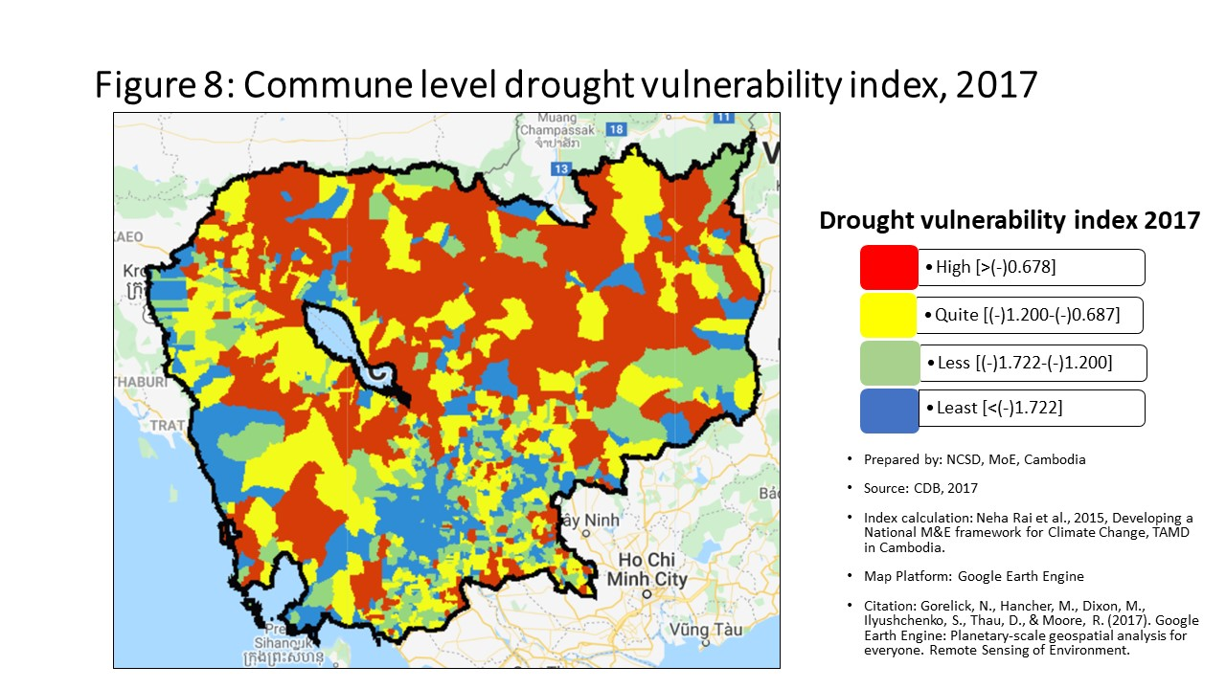
20309 | Battambang | Battambang | Ou Char | -0.30 | 1225 | -2.29 | 1391 | -2.54 | 1375 | -2.148 | 1376
20310 | Battambang | Battambang | Svay Pao | -0.44 | 1536 | -0.86 | 869 | -0.84 | 515 | -0.709 | 828
20401 | Battambang | Bavel | Bavel | -0.15 | 186 | -1.05 | 972 | -1.66 | 1046 | -0.941 | 958
20402 | Battambang | Bavel | Khnach Romeas | -0.16 | 190 | -0.24 | 507 | -1.15 | 744 | -0.147 | 484
20403 | Battambang | Bavel | Lvea | -0.13 | 105 | -0.16 | 446 | -1.11 | 710 | -0.060 | 412
20404 | Battambang | Bavel | Prey Khpos | -0.17 | 273 | -0.12 | 426 | -0.71 | 421 | -0.011 | 378
20405 | Battambang | Bavel | Ampil Pram Daeum | -0.17 | 263 | -0.32 | 565 | -0.83 | 513 | -0.219 | 527
20406 | Battambang | Bavel | Kdol Ta Haen | -0.15 | 149 | -0.61 | 736 | -1.05 | 671 | -0.507 | 721
20407 | Battambang | Bavel | Khlaeng Meas | -0.17 | 242 | -0.22 | 495 | -0.69 | 399 | -0.110 | 460
20408 | Battambang | Bavel | Boeung Pram | -0.14 | 125 | -0.21 | 486 | -0.40 | 182 | -0.113 | 461
20501 | Battambang | Aek Phnum | Preaek Norint | -0.25 | 855 | -0.87 | 873 | -1.21 | 775 | -0.872 | 919
20502 | Battambang | Aek Phnum | Samraong Knong | -0.35 | 1384 | -1.05 | 969 | -1.39 | 888 | -0.909 | 940
20503 | Battambang | Aek Phnum | Preaek Khpob | -0.19 | 380 | -0.87 | 874 | -1.09 | 698 | -0.813 | 883
20504 | Battambang | Aek Phnum | Preaek Luong | -0.21 | 555 | -0.95 | 915 | -1.33 | 857 | -0.844 | 901
20505 | Battambang | Aek Phnum | Peam Aek | -0.16 | 229 | -0.58 | 719 | -0.92 | 574 | -0.466 | 693
20506 | Battambang | Aek Phnum | Prey Chas | -0.09 | 46 | -0.01 | 369 | -0.04 | 43 | -0.089 | 432
20507 | Battambang | Aek Phnum | Kaoh Chiveang | -0.03 | 13 | 0.04 | 339 | -0.02 | 39 | -0.056 | 406
20601 | Battambang | Moung Ruessei | Moung | -0.21 | 516 | -0.87 | 875 | -1.60 | 1013 | -0.833 | 895
20602 | Battambang | Moung Ruessei | Kear | -0.16 | 188 | -0.49 | 660 | -1.05 | 667 | -0.458 | 687
20603 | Battambang | Moung Ruessei | Prey Svay | -0.12 | 80 | 1.48 | 115 | -1.14 | 735 | 0.883 | 148
20604 | Battambang | Moung Ruessei | Ruessei Krang | -0.13 | 92 | 0.36 | 231 | -0.87 | 542 | 0.428 | 206
20605 | Battambang | Moung Ruessei | Chrey | -0.07 | 33 | -0.46 | 647 | -0.85 | 528 | -0.339 | 613
20606 | Battambang | Moung Ruessei | Ta Loas | -0.15 | 179 | 2.44 | 75 | -0.83 | 505 | 1.590 | 89
20607 | Battambang | Moung Ruessei | Kakaoh | -0.05 | 20 | 0.25 | 266 | -0.61 | 344 | 0.236 | 268
20608 | Battambang | Moung Ruessei | Prey Touch | -0.16 | 232 | 0.14 | 293 | -0.90 | 558 | 0.245 | 265
20609 | Battambang | Moung Ruessei | Robas Mongkol | -0.11 | 70 | -0.06 | 392 | -0.48 | 232 | -0.060 | 411
20701 | Battambang | Rotonak Mondol | Sdau | -0.25 | 913 | 2.89 | 63 | -1.01 | 645 | 1.938 | 68
20702 | Battambang | Rotonak Mondol | Andaeuk Haeb | -0.19 | 404 | 0.30 | 247 | -0.22 | 100 | 0.312 | 249
20703 | Battambang | Rotonak Mondol | Phlov Meas | -0.13 | 108 | -0.26 | 524 | -1.27 | 814 | -0.222 | 530
20704 | Battambang | Rotonak Mondol | Traeng | -0.15 | 150 | 0.60 | 196 | -0.90 | 562 | 0.677 | 169
20705 | Battambang | Rotonak Mondol | Reaksmei Songha | -0.19 | 424 | 1.25 | 137 | -0.78 | 462 | 1.348 | 113
20801 | Battambang | Sangkae | Anlong Vil | -0.24 | 782 | 0.28 | 255 | -1.35 | 865 | -0.041 | 393
20802 | Battambang | Sangkae | Norea | -0.29 | 1168 | -0.96 | 916 | -1.15 | 742 | -0.812 | 881
20803 | Battambang | Sangkae | Ta Pon | -0.20 | 485 | -0.19 | 470 | -0.97 | 612 | -0.034 | 387
20804 | Battambang | Sangkae | Roka | -0.23 | 712 | -0.24 | 504 | -0.56 | 297 | -0.116 | 464
20805 | Battambang | Sangkae | Kampong Preah | -0.30 | 1217 | -0.25 | 511 | -0.45 | 216 | -0.114 | 463
20806 | Battambang | Sangkae | Kampong Preang | -0.23 | 681 | 0.15 | 288 | -0.85 | 527 | 0.297 | 253
20807 | Battambang | Sangkae | Reang Kesei | -0.13 | 100 | -0.02 | 376 | -0.75 | 441 | 0.137 | 305
20808 | Battambang | Sangkae | Ou Dambang Muoy | -0.25 | 902 | 2.16 | 88 | -0.88 | 547 | 1.350 | 112
20809 | Battambang | Sangkae | Ou Dambang Pir | -0.25 | 891 | -0.53 | 691 | -0.76 | 447 | -0.389 | 642
20810 | Battambang | Sangkae | Voat Ta Muem | -0.21 | 537 | -0.71 | 792 | -0.94 | 586 | -0.626 | 785
20901 | Battambang | Samlout | Ta Taok | -0.21 | 560 | -1.04 | 964 | -1.10 | 707 | -0.909 | 939
20902 | Battambang | Samlout | Kampong Lpov | -0.24 | 761 | 0.20 | 276 | -1.15 | 745 | 0.368 | 233
20903 | Battambang | Samlout | Ou Samril | -0.20 | 438 | -0.40 | 603 | -2.37 | 1319 | -0.330 | 602
20904 | Battambang | Samlout | Sung | -0.21 | 520 | 3.72 | 40 | -1.95 | 1171 | 2.269 | 52
20905 | Battambang | Samlout | Samlout | -0.27 | 1017 | -0.49 | 661 | -0.99 | 633 | -0.357 | 626
20906 | Battambang | Samlout | Mean Chey | -0.23 | 686 | 0.54 | 205 | -0.96 | 603 | 0.670 | 170
20907 | Battambang | Samlout | Ta Sanh | -0.27 | 1038 | -1.68 | 1216 | -2.98 | 1460 | -1.566 | 1205
21001 | Battambang | Sampov Lun | Sampov Lun | -0.26 | 945 | 0.73 | 183 | -3.15 | 1497 | 0.866 | 152
21002 | Battambang | Sampov Lun | Angkor Ban | -0.25 | 908 | 0.44 | 217 | -3.70 | 1556 | 0.557 | 182
21003 | Battambang | Sampov Lun | Ta Sda | -0.25 | 880 | 3.05 | 59 | -2.76 | 1417 | 3.188 | 38
21004 | Battambang | Sampov Lun | Santepheap | -0.29 | 1149 | -0.62 | 743 | -2.62 | 1393 | -0.608 | 775
21005 | Battambang | Sampov Lun | Serei Mean Chey | -0.24 | 781 | 0.39 | 223 | -2.70 | 1405 | 0.417 | 210
21006 | Battambang | Sampov Lun | Chrey Seima | -0.17 | 253 | 1.22 | 139 | -1.48 | 941 | 1.256 | 121
21101 | Battambang | Phnum Proek | Phnum Proek | -0.23 | 696 | 4.08 | 36 | -1.88 | 1132 | 4.186 | 25
21102 | Battambang | Phnum Proek | Pech Chenda | -0.30 | 1215 | 1.53 | 113 | -2.66 | 1399 | 1.658 | 85
21103 | Battambang | Phnum Proek | Bour | -0.22 | 587 | 1.00 | 154 | -1.20 | 764 | 1.056 | 135
21104 | Battambang | Phnum Proek | Barang Thleak | -0.22 | 639 | 2.04 | 92 | -3.46 | 1537 | 2.046 | 62
21105 | Battambang | Phnum Proek | Ou Rumduol | -0.23 | 741 | 1.36 | 125 | -1.61 | 1024 | 1.458 | 100
21201 | Battambang | Kamrieng | Kamrieng | -0.17 | 292 | 0.86 | 170 | -2.21 | 1263 | 0.936 | 145
21202 | Battambang | Kamrieng | Boeng Reang | -0.31 | 1267 | 0.73 | 182 | -1.46 | 930 | 0.867 | 150
21203 | Battambang | Kamrieng | Ou Da | -0.24 | 788 | 1.15 | 147 | -1.70 | 1065 | 1.280 | 117
21204 | Battambang | Kamrieng | Trang | -0.28 | 1127 | 1.32 | 127 | -2.01 | 1193 | 1.449 | 103
21205 | Battambang | Kamrieng | Ta Saen | -0.26 | 1003 | 2.99 | 60 | -1.30 | 836 | 3.119 | 39
21206 | Battambang | Kamrieng | Ta Krei | -0.26 | 961 | 1.62 | 106 | -1.18 | 755 | 1.672 | 84
21301 | Battambang | Koas Krala | Thipakdei | -0.10 | 53 | 0.87 | 169 | -1.00 | 640 | 0.559 | 181
21302 | Battambang | Koas Krala | Kaos Krala | -0.20 | 456 | -0.93 | 905 | -1.28 | 821 | -0.809 | 879
21303 | Battambang | Koas Krala | Hab | -0.16 | 202 | 0.13 | 298 | -0.15 | 64 | 0.260 | 259
21304 | Battambang | Koas Krala | Preah Phos | -0.17 | 246 | -0.09 | 409 | -0.32 | 155 | 0.037 | 354
21305 | Battambang | Koas Krala | Doun Ba | -0.11 | 72 | 0.11 | 309 | -0.14 | 63 | 0.232 | 269
21306 | Battambang | Koas Krala | Chhnal Moan | -0.18 | 313 | 0.11 | 308 | -0.23 | 107 | 0.190 | 282
21401 | Battambang | Rukh Kiri | Preaek Chik | -0.20 | 435 | -0.35 | 579 | -0.83 | 512 | -0.331 | 603
21402 | Battambang | Rukh Kiri | Prey Tralach | -0.15 | 157 | 0.31 | 246 | -0.23 | 109 | 0.365 | 234
21403 | Battambang | Rukh Kiri | Mukh Reah | -0.17 | 291 | 0.00 | 359 | -0.35 | 167 | 0.082 | 333
21404 | Battambang | Rukh Kiri | Sdok Pravoek | -0.15 | 159 | -0.46 | 645 | -1.03 | 658 | -0.413 | 659
21405 | Battambang | Rukh Kiri | Basak | -0.17 | 245 | 0.08 | 322 | -0.42 | 190 | 0.127 | 309
30101 | Kampong Cham | Batheay | Batheay | -0.23 | 688 | -0.47 | 655 | -1.88 | 1135 | -0.693 | 820
30102 | Kampong Cham | Batheay | Chbar Ampov | -0.25 | 857 | -0.41 | 613 | -0.51 | 249 | -0.295 | 576
30103 | Kampong Cham | Batheay | Chealea | -0.14 | 124 | -1.30 | 1077 | -1.84 | 1122 | -1.208 | 1068
30104 | Kampong Cham | Batheay | Cheung Prey | -0.26 | 1002 | -0.51 | 675 | 0.19 | 23 | -0.389 | 641
30105 | Kampong Cham | Batheay | Me Pring | -0.17 | 251 | -0.74 | 810 | -1.10 | 702 | -0.617 | 782
30106 | Kampong Cham | Batheay | Ph'av | -0.33 | 1345 | -1.56 | 1180 | -2.06 | 1210 | -1.404 | 1159
30107 | Kampong Cham | Batheay | Sambour | -0.28 | 1100 | -0.93 | 901 | -1.42 | 902 | -0.803 | 876
30108 | Kampong Cham | Batheay | Sandaek | -0.19 | 371 | -0.76 | 822 | -0.85 | 525 | -0.614 | 779
30109 | Kampong Cham | Batheay | Tang Krang | -0.18 | 339 | -1.42 | 1129 | -1.72 | 1076 | -1.288 | 1104
30110 | Kampong Cham | Batheay | Tang Krasang | -0.18 | 352 | -0.59 | 721 | -0.88 | 548 | -0.449 | 681
30111 | Kampong Cham | Batheay | Trab | -0.19 | 374 | 0.61 | 195 | -1.00 | 639 | 0.336 | 245
30112 | Kampong Cham | Batheay | Tumnob | -0.29 | 1193 | 3.17 | 53 | -0.84 | 520 | 2.045 | 63
30201 | Kampong Cham | Chamkar Leu | Bos Khnor | -0.19 | 423 | -1.33 | 1088 | -1.73 | 1078 | -1.212 | 1072
30202 | Kampong Cham | Chamkar Leu | Chamkar Andoung | -0.20 | 473 | -0.64 | 755 | -0.98 | 624 | -0.500 | 718
30203 | Kampong Cham | Chamkar Leu | Cheyyou | -0.20 | 492 | -0.99 | 934 | -1.30 | 838 | -0.867 | 914
30204 | Kampong Cham | Chamkar Leu | Lvea Leu | -0.28 | 1102 | -1.14 | 1007 | -1.74 | 1082 | -1.010 | 982
30205 | Kampong Cham | Chamkar Leu | Spueu | -0.24 | 836 | -0.25 | 516 | -0.70 | 412 | -0.131 | 473
30206 | Kampong Cham | Chamkar Leu | Svay Teab | -0.28 | 1123 | -0.11 | 420 | -1.79 | 1102 | -0.404 | 653
30207 | Kampong Cham | Chamkar Leu | Ta Ong | -0.21 | 552 | -1.09 | 985 | -1.38 | 878 | -0.946 | 962
30208 | Kampong Cham | Chamkar Leu | Ta Prok | -0.19 | 426 | -0.02 | 375 | -0.43 | 201 | 0.106 | 318
30301 | Kampong Cham | Cheung Prey | Khnor Dambang | -0.22 | 629 | -1.46 | 1153 | -2.09 | 1218 | -1.331 | 1129
30302 | Kampong Cham | Cheung Prey | Kouk Rovieng | -0.18 | 310 | -1.56 | 1179 | -1.79 | 1108 | -1.432 | 1170
30303 | Kampong Cham | Cheung Prey | Pdau Chum | -0.22 | 621 | -0.39 | 601 | -0.82 | 497 | -0.226 | 537
30304 | Kampong Cham | Cheung Prey | Prey Char | -0.24 | 794 | -2.39 | 1418 | -2.73 | 1409 | -2.411 | 1432
30305 | Kampong Cham | Cheung Prey | Pring Chrum | -0.16 | 220 | -0.40 | 604 | -0.59 | 320 | -0.333 | 607
30306 | Kampong Cham | Cheung Prey | Sampong Chey | -0.17 | 282 | -2.55 | 1445 | -2.94 | 1453 | -2.449 | 1441
30307 | Kampong Cham | Cheung Prey | Sdaeung Chey | -0.23 | 695 | -1.56 | 1183 | -1.95 | 1168 | -1.483 | 1183
30308 | Kampong Cham | Cheung Prey | Soutib | -0.23 | 709 | -0.90 | 887 | -3.28 | 1515 | -1.438 | 1174
30309 | Kampong Cham | Cheung Prey | Sramar | -0.24 | 808 | -2.35 | 1411 | -2.48 | 1359 | -2.206 | 1397
30310 | Kampong Cham | Cheung Prey | Trapeang Kor | -0.22 | 663 | -1.25 | 1049 | -1.88 | 1137 | -1.146 | 1044
30501 | Kampong Cham | Kampong Cham | Boeng Kok | -0.38 | 1451 | -3.38 | 1551 | -3.30 | 1517 | -3.235 | 1551
30502 | Kampong Cham | Kampong Cham | Kampong Cham | -0.52 | 1577 | -2.02 | 1312 | -2.08 | 1214 | -1.883 | 1298
30503 | Kampong Cham | Kampong Cham | Sambuor Meas | -0.34 | 1355 | -3.40 | 1552 | -3.50 | 1539 | -3.233 | 1550
30504 | Kampong Cham | Kampong Cham | Veal Vong | -0.48 | 1558 | -2.01 | 1307 | -1.98 | 1185 | -1.856 | 1291
30601 | Kampong Cham | Kampong Siem | Ampil | -0.30 | 1216 | -2.26 | 1379 | -2.42 | 1344 | -2.136 | 1373
30602 | Kampong Cham | Kampong Siem | Hanchey | -0.17 | 265 | -0.83 | 851 | -1.61 | 1021 | -0.703 | 823
30603 | Kampong Cham | Kampong Siem | Kien Chrey | -0.19 | 368 | -0.99 | 942 | -1.17 | 749 | -0.885 | 927
30604 | Kampong Cham | Kampong Siem | Kokor | -0.23 | 748 | -0.99 | 945 | -1.26 | 808 | -0.922 | 947
30605 | Kampong Cham | Kampong Siem | Kaoh Mitt | -0.22 | 614 | -0.33 | 571 | -0.57 | 301 | -0.217 | 526
30606 | Kampong Cham | Kampong Siem | Kaoh Roka | -0.27 | 1029 | -1.69 | 1218 | -2.05 | 1208 | -1.585 | 1210
30607 | Kampong Cham | Kampong Siem | Kaoh Samraong | -0.19 | 367 | -0.47 | 652 | -0.56 | 299 | -0.351 | 622
30608 | Kampong Cham | Kampong Siem | Kaoh Tontuem | -0.19 | 372 | -0.91 | 892 | -1.14 | 734 | -0.789 | 870
30609 | Kampong Cham | Kampong Siem | Krala | -0.22 | 604 | -2.21 | 1366 | -2.31 | 1296 | -2.083 | 1362
30610 | Kampong Cham | Kampong Siem | Ou Svay | -0.22 | 623 | -2.29 | 1389 | -2.83 | 1433 | -2.165 | 1383
30611 | Kampong Cham | Kampong Siem | Ro'ang | -0.24 | 809 | -1.53 | 1172 | -1.59 | 1005 | -1.396 | 1156
30612 | Kampong Cham | Kampong Siem | Rumchek | -0.09 | 44 | -0.98 | 926 | -1.11 | 712 | -0.834 | 897
30613 | Kampong Cham | Kampong Siem | Srak | -0.17 | 240 | 3.70 | 41 | -0.81 | 490 | 2.451 | 45
30614 | Kampong Cham | Kampong Siem | Trean | -0.28 | 1093 | -1.35 | 1097 | -1.49 | 946 | -1.222 | 1076
30615 | Kampong Cham | Kampong Siem | Vihear Thum | -0.17 | 286 | -1.04 | 962 | -1.23 | 792 | -0.920 | 945
30701 | Kampong Cham | Kang Meas | Angkor Ban | -0.26 | 988 | 3.11 | 55 | -1.49 | 949 | 1.711 | 79
30702 | Kampong Cham | Kang Meas | Kang Ta Noeng | -0.13 | 99 | -0.45 | 637 | -0.75 | 440 | -0.337 | 610
30703 | Kampong Cham | Kang Meas | Khchau | -0.18 | 324 | -0.67 | 773 | -1.07 | 680 | -0.591 | 761
30704 | Kampong Cham | Kang Meas | Peam Chi Kang | -0.23 | 708 | -2.42 | 1422 | -2.60 | 1388 | -2.316 | 1415
30705 | Kampong Cham | Kang Meas | Preaek Koy | -0.09 | 50 | -0.20 | 485 | -0.68 | 395 | -0.095 | 443
30706 | Kampong Cham | Kang Meas | Preaek Krabau | -0.22 | 635 | -1.09 | 986 | -1.16 | 746 | -0.999 | 977
30707 | Kampong Cham | Kang Meas | Reay Pay | -0.11 | 68 | -1.46 | 1152 | -1.89 | 1139 | -1.324 | 1124
30708 | Kampong Cham | Kang Meas | Roka Ar | -0.14 | 118 | -0.72 | 796 | -1.29 | 830 | -0.600 | 768
30709 | Kampong Cham | Kang Meas | Roka Koy | -0.20 | 465 | -1.61 | 1195 | -1.90 | 1144 | -1.494 | 1186
30710 | Kampong Cham | Kang Meas | Sdau | -0.16 | 198 | -0.46 | 648 | -0.86 | 531 | -0.352 | 623
30711 | Kampong Cham | Kang Meas | Sour Kong | -0.17 | 270 | -1.10 | 991 | -1.48 | 942 | -0.994 | 976
30801 | Kampong Cham | Kaoh Soutin | Kampong Reab | -0.12 | 82 | -0.25 | 517 | -0.45 | 215 | -0.123 | 468
30802 | Kampong Cham | Kaoh Soutin | Kaoh Sotin | -0.14 | 140 | -0.11 | 418 | -0.45 | 213 | -0.011 | 377
30803 | Kampong Cham | Kaoh Soutin | Lve | -0.20 | 459 | -0.78 | 833 | -1.09 | 693 | -0.670 | 807
30804 | Kampong Cham | Kaoh Soutin | Moha Leaph | -0.27 | 1064 | -1.43 | 1139 | -2.04 | 1206 | -1.350 | 1136
30805 | Kampong Cham | Kaoh Soutin | Moha Khnhoung | -0.07 | 31 | -0.95 | 912 | -1.06 | 674 | -0.830 | 891
30806 | Kampong Cham | Kaoh Soutin | Peam Prathnuoh | -0.27 | 1073 | -0.76 | 823 | -1.09 | 691 | -0.702 | 822
30807 | Kampong Cham | Kaoh Soutin | Pongro | -0.16 | 226 | -0.29 | 542 | -0.85 | 526 | -0.199 | 512
30808 | Kampong Cham | Kaoh Soutin | Preaek Ta Nong | -0.16 | 209 | -0.24 | 500 | -0.45 | 212 | -0.145 | 481
31301 | Kampong Cham | Prey Chhor | Baray | -0.19 | 392 | -1.19 | 1029 | -1.32 | 848 | -1.067 | 1010
31302 | Kampong Cham | Prey Chhor | Boeng Nay | -0.16 | 206 | -1.01 | 949 | -1.29 | 826 | -0.891 | 932
31303 | Kampong Cham | Prey Chhor | Chrey Vien | -0.19 | 413 | -2.97 | 1508 | -2.98 | 1459 | -2.823 | 1502
31304 | Kampong Cham | Prey Chhor | Khvet Thum | -0.22 | 592 | -1.54 | 1177 | -1.74 | 1083 | -1.420 | 1164
31305 | Kampong Cham | Prey Chhor | Kor | -0.22 | 626 | -1.28 | 1065 | -1.54 | 977 | -1.138 | 1040
31306 | Kampong Cham | Prey Chhor | Krouch | -0.27 | 1026 | -1.68 | 1215 | -2.17 | 1251 | -1.559 | 1202
31307 | Kampong Cham | Prey Chhor | Lvea | -0.17 | 275 | -1.43 | 1138 | -1.57 | 985 | -1.282 | 1099
31308 | Kampong Cham | Prey Chhor | Mien | -0.21 | 510 | -1.63 | 1203 | -1.71 | 1068 | -1.517 | 1195
31309 | Kampong Cham | Prey Chhor | Prey Chhor | -0.17 | 303 | -0.24 | 508 | -0.67 | 389 | -0.136 | 479
31310 | Kampong Cham | Prey Chhor | Sour Saen | -0.15 | 184 | -1.13 | 1000 | -1.66 | 1047 | -0.988 | 972
31311 | Kampong Cham | Prey Chhor | Samraong | -0.19 | 427 | -1.34 | 1093 | -1.61 | 1019 | -1.202 | 1067
31312 | Kampong Cham | Prey Chhor | Sragnae | -0.24 | 765 | -1.38 | 1112 | -1.53 | 967 | -1.263 | 1095
31313 | Kampong Cham | Prey Chhor | Thma Pun | -0.25 | 878 | -2.16 | 1358 | -2.84 | 1439 | -2.022 | 1338
31314 | Kampong Cham | Prey Chhor | Tong Rong | -0.15 | 187 | -0.57 | 713 | -0.79 | 483 | -0.461 | 688
31315 | Kampong Cham | Prey Chhor | Trapeang Preah | -0.20 | 433 | -1.33 | 1090 | -1.49 | 945 | -1.219 | 1074
31401 | Kampong Cham | Srei Santhor | Baray | -0.27 | 1047 | -0.24 | 506 | -0.70 | 409 | -0.135 | 477
31402 | Kampong Cham | Srei Santhor | Chi Bal | -0.18 | 329 | -0.31 | 550 | -0.92 | 580 | -0.189 | 504
31403 | Kampong Cham | Srei Santhor | Khnar Sa | -0.19 | 422 | -1.14 | 1005 | -1.82 | 1117 | -1.032 | 987
31404 | Kampong Cham | Srei Santhor | Kaoh Andaet | -0.16 | 217 | -0.66 | 768 | -0.78 | 469 | -0.544 | 741
31405 | Kampong Cham | Srei Santhor | Mean Chey | -0.22 | 617 | -1.16 | 1012 | -1.45 | 919 | -1.054 | 1001
31406 | Kampong Cham | Srei Santhor | Phteah Kandal | -0.12 | 84 | -0.37 | 589 | -0.63 | 356 | -0.269 | 557
31407 | Kampong Cham | Srei Santhor | Pram Yam | -0.17 | 298 | -0.57 | 715 | -1.05 | 669 | -0.455 | 684
31408 | Kampong Cham | Srei Santhor | Preaek Dambouk | -0.23 | 734 | -0.84 | 860 | -1.27 | 817 | -0.784 | 867
31409 | Kampong Cham | Srei Santhor | Preaek Pou | -0.22 | 598 | -0.99 | 937 | -1.28 | 819 | -0.876 | 923
31410 | Kampong Cham | Srei Santhor | Preaek Rumdeng | -0.20 | 452 | -0.55 | 697 | -0.82 | 496 | -0.433 | 677
31411 | Kampong Cham | Srei Santhor | Ruessei Srok | -0.15 | 151 | -0.23 | 496 | -0.50 | 239 | -0.147 | 483
31412 | Kampong Cham | Srei Santhor | Svay Pou | -0.26 | 987 | -1.16 | 1016 | -1.48 | 940 | -1.039 | 992
31413 | Kampong Cham | Srei Santhor | Svay Khsach Phnum | -0.17 | 290 | -0.45 | 633 | -0.51 | 251 | -0.337 | 609
31414 | Kampong Cham | Srei Santhor | Tong Tralach | -0.10 | 59 | -0.37 | 592 | -0.78 | 472 | -0.234 | 540
31501 | Kampong Cham | Stueng Trang | Areaks Tnot | -0.29 | 1157 | -1.29 | 1073 | -1.73 | 1081 | -1.165 | 1051
31513 | Kampong Cham | Stueng Trang | Tuol Preah Khleang | -0.24 | 777 | -0.56 | 703 | -0.89 | 553 | -0.453 | 683
31503 | Kampong Cham | Stueng Trang | Dang Kdar | -0.27 | 1051 | -0.14 | 437 | -0.67 | 382 | 0.017 | 364
31504 | Kampong Cham | Stueng Trang | Khpob Ta Nguon | -0.20 | 457 | -0.30 | 544 | -0.80 | 485 | -0.182 | 498
31505 | Kampong Cham | Stueng Trang | Me Sar Chrey | -0.19 | 416 | -1.76 | 1244 | -2.04 | 1203 | -1.644 | 1233
31506 | Kampong Cham | Stueng Trang | Ou Mlu | -0.22 | 656 | 0.93 | 163 | -0.94 | 592 | 0.548 | 184
31507 | Kampong Cham | Stueng Trang | Peam Kaoh Snar | -0.29 | 1185 | -0.26 | 521 | -0.90 | 560 | -0.140 | 480
31508 | Kampong Cham | Stueng Trang | Preah Andoung | -0.25 | 860 | -0.15 | 441 | -0.55 | 287 | -0.037 | 390
31509 | Kampong Cham | Stueng Trang | Preaek Bak | -0.19 | 420 | -0.56 | 706 | -0.74 | 436 | -0.418 | 667
31510 | Kampong Cham | Stueng Trang | Preak Kak | -0.20 | 484 | 7.27 | 17 | -1.27 | 812 | 4.503 | 23
31514 | Kampong Cham | Stueng Trang | Tuol Sambuor | -0.24 | 764 | 0.00 | 358 | -0.18 | 76 | 0.138 | 303
31512 | Kampong Cham | Stueng Trang | Soupheas | -0.28 | 1134 | 1.32 | 128 | -0.66 | 379 | 0.967 | 141
40101 | Kampong Chhnang | Baribour | Anhchanh Rung | -0.29 | 1165 | -0.21 | 487 | -0.47 | 226 | -0.117 | 465
40102 | Kampong Chhnang | Baribour | Chhnok Tru | -0.04 | 16 | -0.25 | 515 | -0.41 | 187 | -0.305 | 587
40103 | Kampong Chhnang | Baribour | Chak | -0.31 | 1258 | -1.71 | 1222 | -2.03 | 1201 | -1.627 | 1222
40104 | Kampong Chhnang | Baribour | Khon Rang | -0.19 | 395 | -0.98 | 930 | -1.36 | 869 | -0.891 | 931
40105 | Kampong Chhnang | Baribour | Kampong Preah Kokir | -0.02 | 12 | -0.03 | 378 | -0.17 | 69 | -0.091 | 436
40106 | Kampong Chhnang | Baribour | Melum | -0.19 | 405 | -0.35 | 581 | -0.62 | 348 | -0.208 | 518
40107 | Kampong Chhnang | Baribour | Phsar | -0.28 | 1118 | -1.66 | 1211 | -1.91 | 1148 | -1.576 | 1208
40108 | Kampong Chhnang | Baribour | Pech Changvar | -0.28 | 1090 | 3.23 | 51 | -0.62 | 347 | 2.092 | 59
40109 | Kampong Chhnang | Baribour | Popel | -0.29 | 1152 | -0.76 | 824 | -0.95 | 598 | -0.765 | 852
40110 | Kampong Chhnang | Baribour | Ponley | -0.26 | 1007 | -3.07 | 1526 | -3.30 | 1516 | -3.064 | 1533
40111 | Kampong Chhnang | Baribour | Trapeang Chan | -0.25 | 907 | -0.98 | 932 | -1.05 | 670 | -0.900 | 935
40201 | Kampong Chhnang | Chol Kiri | Chol Sar | -0.06 | 26 | -0.10 | 411 | -0.50 | 245 | -0.105 | 455
40202 | Kampong Chhnang | Chol Kiri | Kaoh Thkov | -0.04 | 17 | 4.57 | 33 | -0.21 | 95 | 3.118 | 40
40203 | Kampong Chhnang | Chol Kiri | Kampong Ous | -0.02 | 9 | -0.11 | 414 | -0.22 | 105 | -0.107 | 457
40204 | Kampong Chhnang | Chol Kiri | Peam Chhkaok | 0.01 | 5 | 0.02 | 351 | -0.20 | 85 | 0.121 | 313
40205 | Kampong Chhnang | Chol Kiri | Prey Kri | -0.08 | 39 | -0.56 | 705 | -1.29 | 829 | -0.565 | 751
40301 | Kampong Chhnang | Kampong Chhnang | Phsar Chhnang | -0.31 | 1279 | -2.13 | 1343 | -2.31 | 1299 | -2.025 | 1341
40302 | Kampong Chhnang | Kampong Chhnang | Kampong Chhnang | -0.35 | 1390 | -2.28 | 1385 | -2.51 | 1372 | -2.158 | 1380
40303 | Kampong Chhnang | Kampong Chhnang | B'er | -0.36 | 1414 | -2.30 | 1393 | -2.35 | 1310 | -2.164 | 1382
40304 | Kampong Chhnang | Kampong Chhnang | Khsam | -0.37 | 1434 | -1.52 | 1169 | -1.75 | 1086 | -1.416 | 1163
40401 | Kampong Chhnang | Kampong Leaeng | Chranouk | -0.09 | 42 | 3.48 | 47 | -0.30 | 145 | 2.396 | 48
40402 | Kampong Chhnang | Kampong Leaeng | Dar | -0.14 | 143 | -0.30 | 548 | -0.54 | 277 | -0.272 | 559
40403 | Kampong Chhnang | Kampong Leaeng | Kampong Hau | -0.10 | 63 | -1.35 | 1100 | -1.60 | 1011 | -1.339 | 1133
40404 | Kampong Chhnang | Kampong Leaeng | Phlov Tuk | 0.05 | 3 | 0.02 | 347 | 0.09 | 27 | 0.108 | 316
40405 | Kampong Chhnang | Kampong Leaeng | Pou | -0.16 | 233 | -0.17 | 454 | -0.28 | 134 | -0.080 | 425
40406 | Kampong Chhnang | Kampong Leaeng | Pralay Meas | -0.06 | 23 | 0.13 | 300 | 0.05 | 29 | 0.070 | 338
40407 | Kampong Chhnang | Kampong Leaeng | Samraong Saen | -0.10 | 58 | -0.16 | 449 | -0.19 | 80 | -0.081 | 426
40408 | Kampong Chhnang | Kampong Leaeng | Svay Rumpear | -0.11 | 79 | -0.34 | 576 | -0.52 | 261 | -0.257 | 551
40409 | Kampong Chhnang | Kampong Leaeng | Trangel | -0.17 | 247 | -0.49 | 663 | -0.71 | 416 | -0.382 | 636
40501 | Kampong Chhnang | Kampong Tralach | Ampil Tuek | -0.14 | 119 | -0.43 | 620 | -0.63 | 358 | -0.353 | 624
40502 | Kampong Chhnang | Kampong Tralach | Chhuk Sa | -0.23 | 687 | -1.33 | 1084 | -1.26 | 805 | -1.190 | 1063
40503 | Kampong Chhnang | Kampong Tralach | Chres | -0.31 | 1262 | -1.11 | 995 | -1.21 | 780 | -1.005 | 981
40504 | Kampong Chhnang | Kampong Tralach | Kampong Tralach | -0.16 | 194 | -1.48 | 1157 | -1.57 | 989 | -1.329 | 1128
40505 | Kampong Chhnang | Kampong Tralach | Longveaek | -0.24 | 775 | -2.11 | 1341 | -2.45 | 1351 | -2.059 | 1354
40506 | Kampong Chhnang | Kampong Tralach | Ou Ruessei | -0.25 | 900 | -1.89 | 1278 | -2.08 | 1216 | -1.768 | 1264
40507 | Kampong Chhnang | Kampong Tralach | Peani | -0.26 | 1016 | -1.43 | 1134 | -1.65 | 1040 | -1.315 | 1118
40508 | Kampong Chhnang | Kampong Tralach | Saeb | -0.25 | 899 | -4.97 | 1618 | -5.17 | 1617 | -4.853 | 1618
40509 | Kampong Chhnang | Kampong Tralach | Ta Ches | -0.31 | 1265 | -1.27 | 1064 | -1.39 | 891 | -1.184 | 1056
40510 | Kampong Chhnang | Kampong Tralach | Thma Edth | -0.17 | 254 | -1.76 | 1240 | -1.79 | 1104 | -1.640 | 1231
40601 | Kampong Chhnang | Rolea B'ier | Andoung Snay | -0.24 | 773 | -1.15 | 1008 | -1.23 | 789 | -1.036 | 989
40602 | Kampong Chhnang | Rolea B'ier | Banteay Preal | -0.34 | 1356 | -1.41 | 1123 | -1.51 | 958 | -1.318 | 1119
40603 | Kampong Chhnang | Rolea B'ier | Cheung Kreav | -0.19 | 366 | -0.75 | 821 | -0.87 | 544 | -0.651 | 796
40604 | Kampong Chhnang | Rolea B'ier | Chrey Bak | -0.27 | 1035 | -1.28 | 1068 | -1.46 | 931 | -1.166 | 1052
40605 | Kampong Chhnang | Rolea B'ier | Kouk Banteay | -0.15 | 156 | -0.28 | 534 | -0.46 | 218 | -0.167 | 490
40606 | Kampong Chhnang | Rolea B'ier | Krang Leav | -0.22 | 618 | -0.58 | 720 | -0.64 | 365 | -0.470 | 696
40607 | Kampong Chhnang | Rolea B'ier | Pongro | -0.26 | 977 | -0.90 | 888 | -0.96 | 604 | -0.764 | 851
40608 | Kampong Chhnang | Rolea B'ier | Prasnoeb | -0.15 | 154 | -0.27 | 528 | -0.20 | 88 | -0.125 | 471
40609 | Kampong Chhnang | Rolea B'ier | Prey Mul | -0.25 | 859 | 6.09 | 21 | -0.35 | 163 | 4.037 | 26
40610 | Kampong Chhnang | Rolea B'ier | Rolea B'ier | -0.26 | 952 | -2.24 | 1375 | -2.51 | 1370 | -2.150 | 1378
40611 | Kampong Chhnang | Rolea B'ier | Srae Thmei | -0.29 | 1155 | -1.86 | 1272 | -1.97 | 1180 | -1.736 | 1258
40612 | Kampong Chhnang | Rolea B'ier | Svay Chrum | -0.23 | 733 | -0.11 | 416 | -1.17 | 752 | -0.300 | 581
40613 | Kampong Chhnang | Rolea B'ier | Tuek Hout | -0.20 | 499 | -1.49 | 1162 | -1.57 | 988 | -1.358 | 1139
40701 | Kampong Chhnang | Sameakki Mean Chey | Chhean Laeung | -0.28 | 1129 | -1.19 | 1027 | -1.00 | 637 | -1.056 | 1003
40702 | Kampong Chhnang | Sameakki Mean Chey | Khna Chhmar | -0.14 | 131 | 3.25 | 50 | -0.77 | 453 | 2.054 | 61
40703 | Kampong Chhnang | Sameakki Mean Chey | Krang Lvea | -0.19 | 409 | -0.74 | 806 | -0.84 | 523 | -0.610 | 778
40704 | Kampong Chhnang | Sameakki Mean Chey | Peam | -0.19 | 429 | -1.21 | 1038 | -1.21 | 781 | -1.073 | 1015
40705 | Kampong Chhnang | Sameakki Mean Chey | Sedthei | -0.28 | 1121 | -3.33 | 1548 | -3.33 | 1522 | -3.195 | 1547
40706 | Kampong Chhnang | Sameakki Mean Chey | Svay | -0.20 | 468 | -1.29 | 1071 | -1.36 | 870 | -1.162 | 1050
40707 | Kampong Chhnang | Sameakki Mean Chey | Svay Chuk | -0.21 | 580 | -1.42 | 1131 | -1.54 | 976 | -1.338 | 1131
40708 | Kampong Chhnang | Sameakki Mean Chey | Tbaeng Khpos | -0.21 | 517 | -1.05 | 973 | -1.10 | 704 | -0.915 | 943
40709 | Kampong Chhnang | Sameakki Mean Chey | Thlok Vien | -0.22 | 636 | -1.53 | 1173 | -1.68 | 1057 | -1.422 | 1165
40801 | Kampong Chhnang | Tuek Phos | Akphivoadth | -0.26 | 971 | -1.16 | 1011 | -1.38 | 880 | -1.075 | 1016
40802 | Kampong Chhnang | Tuek Phos | Chieb | -0.24 | 778 | -0.33 | 567 | -0.67 | 386 | -0.225 | 533
40803 | Kampong Chhnang | Tuek Phos | Chaong Maong | -0.25 | 872 | 8.17 | 14 | -0.38 | 176 | 5.441 | 18
40804 | Kampong Chhnang | Tuek Phos | Kbal Tuek | -0.27 | 1084 | -0.29 | 543 | -0.81 | 491 | -0.199 | 511
40805 | Kampong Chhnang | Tuek Phos | Khlong Popok | -0.27 | 1054 | -0.90 | 890 | -1.26 | 803 | -0.825 | 890
40806 | Kampong Chhnang | Tuek Phos | Krang Skear | -0.25 | 889 | -0.14 | 436 | -0.32 | 151 | -0.040 | 392
40807 | Kampong Chhnang | Tuek Phos | Tang Krasang | -0.24 | 825 | 0.81 | 177 | -0.83 | 503 | 0.413 | 214
40808 | Kampong Chhnang | Tuek Phos | Tuol Khpos | -0.27 | 1023 | -0.71 | 791 | -0.53 | 267 | -0.597 | 765
40809 | Kampong Chhnang | Tuek Phos | Kdol Saen Chey | -0.20 | 442 | 0.11 | 307 | -0.35 | 165 | 0.210 | 276
50101 | Kampong Speu | Basedth | Basedth | -0.27 | 1058 | -1.61 | 1197 | -1.63 | 1032 | -1.472 | 1179
50102 | Kampong Speu | Basedth | Kat Phluk | -0.16 | 237 | -1.25 | 1052 | -1.32 | 844 | -1.129 | 1035
50103 | Kampong Speu | Basedth | Nitean | -0.25 | 930 | -1.26 | 1056 | -1.47 | 938 | -1.140 | 1041
50104 | Kampong Speu | Basedth | Pheakdei | -0.24 | 772 | -0.72 | 798 | -0.83 | 509 | -0.598 | 766
50105 | Kampong Speu | Basedth | Pheari Mean Chey | -0.21 | 550 | -2.44 | 1426 | -2.52 | 1373 | -2.371 | 1423
50106 | Kampong Speu | Basedth | Phong | -0.24 | 838 | -1.28 | 1067 | -1.33 | 855 | -1.122 | 1032
50107 | Kampong Speu | Basedth | Pou Angkrang | -0.31 | 1253 | -2.10 | 1340 | -2.25 | 1274 | -1.990 | 1330
50108 | Kampong Speu | Basedth | Pou Chamraeun | -0.22 | 622 | -2.23 | 1373 | -2.38 | 1326 | -2.112 | 1365
50109 | Kampong Speu | Basedth | Pou Mreal | -0.22 | 596 | -2.55 | 1441 | -2.61 | 1392 | -2.420 | 1435
50110 | Kampong Speu | Basedth | Svay Chacheb | -0.14 | 136 | -0.91 | 893 | -1.12 | 719 | -0.783 | 865
50111 | Kampong Speu | Basedth | Tuol Ampil | -0.28 | 1138 | -2.37 | 1415 | -2.38 | 1323 | -2.235 | 1403
50112 | Kampong Speu | Basedth | Tuol Sala | -0.18 | 319 | -1.85 | 1269 | -1.95 | 1169 | -1.771 | 1265
50113 | Kampong Speu | Basedth | Kak | -0.22 | 666 | -1.37 | 1109 | -1.39 | 886 | -1.226 | 1078
50114 | Kampong Speu | Basedth | Svay Rumpear | -0.25 | 844 | -2.91 | 1500 | -2.91 | 1449 | -2.769 | 1490
50115 | Kampong Speu | Basedth | Preah Khae | -0.20 | 502 | -1.20 | 1031 | -1.39 | 890 | -1.064 | 1008
50201 | Kampong Speu | Chbar Mon | Chbar Mon | -0.30 | 1205 | -3.45 | 1556 | -3.68 | 1554 | -3.471 | 1565
50202 | Kampong Speu | Chbar Mon | Kandaol Dom | -0.17 | 248 | -4.81 | 1614 | -4.96 | 1611 | -4.669 | 1611
50203 | Kampong Speu | Chbar Mon | Rokar Thum | -0.36 | 1417 | -1.53 | 1174 | -3.72 | 1559 | -2.061 | 1355
50204 | Kampong Speu | Chbar Mon | Sopoar Tep | -0.25 | 876 | -3.04 | 1516 | -3.11 | 1490 | -2.883 | 1513
50205 | Kampong Speu | Chbar Mon | Svay Kravan | -0.29 | 1178 | -3.99 | 1594 | -4.40 | 1597 | -3.851 | 1592
50301 | Kampong Speu | Kong Pisei | Angk Popel | -0.30 | 1224 | -3.13 | 1529 | -3.20 | 1503 | -2.985 | 1525
50302 | Kampong Speu | Kong Pisei | Chongruk | -0.24 | 786 | -2.97 | 1507 | -3.08 | 1485 | -2.812 | 1499
50303 | Kampong Speu | Kong Pisei | Moha Ruessei | -0.28 | 1132 | -6.16 | 1636 | -6.67 | 1636 | -6.022 | 1636
50304 | Kampong Speu | Kong Pisei | Pechr Muni | -0.21 | 546 | -2.03 | 1316 | -2.16 | 1247 | -1.913 | 1308
50305 | Kampong Speu | Kong Pisei | Preah Nipean | -0.30 | 1223 | -3.22 | 1540 | -3.23 | 1507 | -3.110 | 1540
50306 | Kampong Speu | Kong Pisei | Prey Nheat | -0.29 | 1180 | -2.08 | 1335 | -2.17 | 1250 | -1.935 | 1315
50307 | Kampong Speu | Kong Pisei | Prey Vihear | -0.25 | 895 | -2.19 | 1362 | -3.56 | 1543 | -2.478 | 1450
50308 | Kampong Speu | Kong Pisei | Roka Kaoh | -0.30 | 1242 | -2.40 | 1419 | -2.47 | 1357 | -2.241 | 1407
50309 | Kampong Speu | Kong Pisei | Sdok | -0.30 | 1238 | -0.92 | 895 | -2.60 | 1386 | -1.321 | 1121
50310 | Kampong Speu | Kong Pisei | Snam Krapeu | -0.32 | 1313 | -3.13 | 1530 | -3.23 | 1509 | -2.978 | 1524
50311 | Kampong Speu | Kong Pisei | Srang | -0.25 | 901 | -1.75 | 1235 | -1.91 | 1151 | -1.611 | 1215
50312 | Kampong Speu | Kong Pisei | Tuek L'ak | -0.33 | 1353 | -2.72 | 1472 | -2.95 | 1455 | -2.603 | 1466
50313 | Kampong Speu | Kong Pisei | Veal | -0.29 | 1164 | -2.55 | 1443 | -2.38 | 1324 | -2.402 | 1431
50401 | Kampong Speu | Aoral | Haong Samnam | -0.15 | 177 | -0.93 | 899 | -1.18 | 758 | -0.786 | 869
50402 | Kampong Speu | Aoral | Reaksmei Sameakki | -0.15 | 169 | -0.68 | 776 | -0.98 | 626 | -0.565 | 750
50403 | Kampong Speu | Aoral | Trapeang Chour | -0.17 | 277 | -1.27 | 1063 | -1.44 | 917 | -1.187 | 1057
50404 | Kampong Speu | Aoral | Sangkae Satob | -0.18 | 334 | -0.99 | 935 | -1.54 | 978 | -0.889 | 928
50405 | Kampong Speu | Aoral | Ta Sal | -0.16 | 205 | -0.59 | 724 | -0.78 | 475 | -0.456 | 686
50501 | Kampong Speu | Odongk | Chan Saen | -0.27 | 1057 | 1.92 | 95 | -1.85 | 1123 | 0.742 | 159
50502 | Kampong Speu | Odongk | Cheung Roas | -0.22 | 651 | -3.10 | 1528 | -3.04 | 1472 | -2.933 | 1518
50503 | Kampong Speu | Odongk | Chumpu Proeks | -0.22 | 654 | -1.96 | 1298 | -2.04 | 1205 | -1.840 | 1288
50504 | Kampong Speu | Odongk | Khsem Khsant | -0.30 | 1230 | -5.10 | 1623 | -5.17 | 1616 | -5.020 | 1623
50505 | Kampong Speu | Odongk | Krang Chek | -0.25 | 932 | -1.63 | 1207 | -2.66 | 1397 | -1.836 | 1285
50506 | Kampong Speu | Odongk | Mean Chey | -0.26 | 970 | -2.43 | 1424 | -2.39 | 1330 | -2.263 | 1409
50507 | Kampong Speu | Odongk | Preah Srae | -0.28 | 1141 | -1.73 | 1227 | -1.74 | 1084 | -1.576 | 1209
50508 | Kampong Speu | Odongk | Prey Krasang | -0.21 | 569 | -2.68 | 1462 | -2.61 | 1389 | -2.597 | 1463
50509 | Kampong Speu | Odongk | Trach Tong | -0.27 | 1066 | 0.94 | 161 | -0.77 | 454 | 0.496 | 200
50510 | Kampong Speu | Odongk | Veal Pong | -0.19 | 418 | -1.61 | 1196 | -1.68 | 1056 | -1.474 | 1181
50511 | Kampong Speu | Odongk | Veang Chas | -0.34 | 1364 | -2.19 | 1363 | -2.29 | 1288 | -2.064 | 1358
50512 | Kampong Speu | Odongk | Yutth Sameakki | -0.27 | 1069 | -5.03 | 1619 | -5.15 | 1615 | -4.868 | 1619
50513 | Kampong Speu | Odongk | Damnak Reang | -0.30 | 1213 | -1.37 | 1106 | -1.41 | 900 | -1.327 | 1127
50514 | Kampong Speu | Odongk | Peang Lvea | -0.24 | 779 | -2.20 | 1365 | -2.42 | 1340 | -2.023 | 1340
50515 | Kampong Speu | Odongk | Phnum Touch | -0.24 | 833 | -3.89 | 1589 | -3.86 | 1570 | -3.725 | 1585
50601 | Kampong Speu | Phnum Sruoch | Chambak | -0.24 | 834 | -0.80 | 837 | -1.15 | 740 | -0.628 | 788
50602 | Kampong Speu | Phnum Sruoch | Choam Sangkae | -0.19 | 412 | -0.57 | 710 | -0.63 | 355 | -0.418 | 666
50603 | Kampong Speu | Phnum Sruoch | Dambouk Rung | -0.21 | 553 | -0.63 | 747 | -1.20 | 771 | -0.479 | 701
50604 | Kampong Speu | Phnum Sruoch | Kiri Voan | -0.27 | 1018 | -1.95 | 1292 | -1.98 | 1184 | -1.788 | 1272
50605 | Kampong Speu | Phnum Sruoch | Krang Dei Vay | -0.12 | 89 | -0.65 | 761 | -1.03 | 656 | -0.508 | 722
50606 | Kampong Speu | Phnum Sruoch | Moha Sang | -0.21 | 583 | -2.35 | 1412 | -2.43 | 1345 | -2.326 | 1417
50607 | Kampong Speu | Phnum Sruoch | Ou | -0.22 | 638 | -4.83 | 1616 | -5.13 | 1613 | -4.681 | 1613
50608 | Kampong Speu | Phnum Sruoch | Prey Rumduol | -0.21 | 521 | -1.43 | 1135 | -1.78 | 1099 | -1.434 | 1171
50609 | Kampong Speu | Phnum Sruoch | Prey Kmeng | -0.18 | 332 | -1.28 | 1069 | -1.45 | 925 | -1.129 | 1033
50610 | Kampong Speu | Phnum Sruoch | Tang Samraong | -0.19 | 402 | -0.75 | 819 | -0.79 | 479 | -0.741 | 840
50611 | Kampong Speu | Phnum Sruoch | Tang Sya | -0.21 | 563 | -2.52 | 1436 | -2.47 | 1355 | -2.396 | 1427
50613 | Kampong Speu | Phnum Sruoch | Traeng Trayueng | -0.20 | 488 | -2.59 | 1454 | -3.62 | 1550 | -2.478 | 1451
50701 | Kampong Speu | Samraong Tong | Roleang Chak | -0.18 | 317 | -2.04 | 1321 | -1.97 | 1182 | -1.898 | 1300
50702 | Kampong Speu | Samraong Tong | Kahaeng | -0.32 | 1327 | -2.75 | 1478 | -2.96 | 1456 | -2.628 | 1473
50703 | Kampong Speu | Samraong Tong | Khtum Krang | -0.21 | 549 | -2.22 | 1369 | -2.30 | 1294 | -2.098 | 1364
50704 | Kampong Speu | Samraong Tong | Krang Ampil | -0.23 | 756 | -3.33 | 1547 | -3.43 | 1533 | -3.189 | 1546
50705 | Kampong Speu | Samraong Tong | Pneay | -0.25 | 927 | -2.27 | 1383 | -2.34 | 1308 | -2.126 | 1368
50706 | Kampong Speu | Samraong Tong | Roleang Kreul | -0.24 | 787 | -0.19 | 477 | -2.39 | 1333 | -0.742 | 842
50707 | Kampong Speu | Samraong Tong | Samraong Tong | -0.27 | 1030 | -4.93 | 1617 | -4.98 | 1612 | -4.771 | 1616
50708 | Kampong Speu | Samraong Tong | Sambour | -0.28 | 1144 | -3.84 | 1585 | -3.81 | 1568 | -3.676 | 1580
50709 | Kampong Speu | Samraong Tong | Saen Dei | -0.26 | 999 | -2.31 | 1398 | -2.31 | 1297 | -2.149 | 1377
50710 | Kampong Speu | Samraong Tong | Skuh | -0.30 | 1248 | -3.21 | 1538 | -3.38 | 1528 | -3.086 | 1536
50711 | Kampong Speu | Samraong Tong | Tang Krouch | -0.31 | 1274 | -2.32 | 1401 | -4.37 | 1595 | -2.742 | 1487
50712 | Kampong Speu | Samraong Tong | Thummoda Ar | -0.24 | 763 | -2.27 | 1381 | -2.34 | 1309 | -2.133 | 1371
50713 | Kampong Speu | Samraong Tong | Trapeang Kong | -0.25 | 879 | -3.72 | 1575 | -3.94 | 1582 | -3.581 | 1574
50714 | Kampong Speu | Samraong Tong | Tumpoar Meas | -0.24 | 795 | -1.91 | 1286 | -2.03 | 1199 | -1.772 | 1266
50715 | Kampong Speu | Samraong Tong | Voa Sar | -0.28 | 1097 | -0.03 | 379 | -3.35 | 1523 | -0.942 | 960
50801 | Kampong Speu | Thpong | Amleang | -0.21 | 582 | -1.27 | 1061 | -1.22 | 784 | -1.117 | 1030
50802 | Kampong Speu | Thpong | Monourom | -0.30 | 1220 | -3.18 | 1535 | -3.14 | 1494 | -3.036 | 1528
50808 | Kampong Speu | Thpong | Yea Angk | -0.22 | 625 | -1.30 | 1078 | -1.38 | 883 | -1.310 | 1116
50804 | Kampong Speu | Thpong | Prambei Mum | -0.20 | 443 | -1.63 | 1202 | -1.87 | 1128 | -1.474 | 1180
50805 | Kampong Speu | Thpong | Rung Roeang | -0.24 | 792 | -1.78 | 1251 | -2.00 | 1189 | -1.623 | 1220
50806 | Kampong Speu | Thpong | Toap Mean | -0.24 | 828 | -1.95 | 1294 | -1.90 | 1146 | -1.809 | 1278
50807 | Kampong Speu | Thpong | Veal Pon | -0.25 | 897 | 1.82 | 100 | -1.42 | 903 | 0.868 | 149
60101 | Kampong Thom | Baray | Bak Sna | -0.27 | 1053 | 0.11 | 311 | -0.60 | 337 | 0.255 | 261
60102 | Kampong Thom | Baray | Ballangk | -0.32 | 1326 | -1.29 | 1074 | -1.92 | 1159 | -1.214 | 1073
60103 | Kampong Thom | Baray | Baray | -0.19 | 369 | -1.13 | 998 | -2.36 | 1313 | -1.022 | 986
60104 | Kampong Thom | Baray | Boeng | -0.15 | 173 | -2.89 | 1496 | -3.26 | 1510 | -2.800 | 1496
60105 | Kampong Thom | Baray | Chaeung Daeung | -0.22 | 601 | 1.89 | 97 | -1.07 | 681 | 1.094 | 129
60902 | Kampong Thom | Taing Kouk | Chraneang | -0.20 | 476 | -0.30 | 545 | -0.83 | 504 | -0.160 | 489
60107 | Kampong Thom | Baray | Chhuk Khsach | -0.15 | 166 | 5.09 | 27 | -0.67 | 384 | 3.344 | 37
60108 | Kampong Thom | Baray | Chong Doung | -0.13 | 116 | -1.39 | 1117 | -3.00 | 1463 | -1.613 | 1216
60903 | Kampong Thom | Taing Kouk | Chrolong | -0.24 | 818 | -0.58 | 717 | -1.15 | 741 | -0.466 | 692
60110 | Kampong Thom | Baray | Kokir Thum | -0.25 | 883 | -0.01 | 367 | -0.77 | 460 | 0.133 | 306
60111 | Kampong Thom | Baray | Krava | -0.29 | 1179 | -0.17 | 456 | -0.97 | 610 | -0.063 | 413
60908 | Kampong Thom | Taing Kouk | Andoung Pou | -0.23 | 718 | -0.57 | 714 | 0.46 | 16 | -0.424 | 670
60901 | Kampong Thom | Taing Kouk | Pongro | -0.21 | 542 | -0.63 | 746 | -1.10 | 708 | -0.580 | 758
60905 | Kampong Thom | Taing Kouk | Sou Young | -0.24 | 785 | -3.07 | 1525 | -3.60 | 1544 | -2.969 | 1523
60906 | Kampong Thom | Taing Kouk | Sralau | -0.21 | 561 | 0.71 | 185 | -0.99 | 630 | 0.402 | 216
60907 | Kampong Thom | Taing Kouk | Svay Phleung | -0.28 | 1105 | -0.97 | 922 | -1.30 | 840 | -0.872 | 918
60117 | Kampong Thom | Baray | Tnaot Chum | -0.19 | 394 | -0.19 | 469 | -0.63 | 361 | -0.082 | 427
60904 | Kampong Thom | Taing Kouk | Triel | -0.25 | 853 | -1.47 | 1155 | -2.22 | 1267 | -1.376 | 1147
60201 | Kampong Thom | Kampong Svay | Chey | -0.24 | 774 | -0.82 | 847 | -0.75 | 443 | -0.730 | 836
60202 | Kampong Thom | Kampong Svay | Damrei Slab | -0.09 | 45 | 3.13 | 54 | -0.21 | 97 | 2.268 | 53
60203 | Kampong Thom | Kampong Svay | Kampong Kou | -0.15 | 170 | 2.38 | 78 | -0.48 | 230 | 1.812 | 73
60204 | Kampong Thom | Kampong Svay | Kampong Svay | -0.26 | 983 | -0.35 | 580 | -0.73 | 431 | -0.285 | 568
60205 | Kampong Thom | Kampong Svay | Nipech | -0.05 | 19 | 3.32 | 49 | -0.79 | 477 | 2.144 | 58
60206 | Kampong Thom | Kampong Svay | Phat Sanday | 0.03 | 4 | 0.17 | 282 | -0.20 | 87 | 0.091 | 328
60207 | Kampong Thom | Kampong Svay | San Kor | -0.18 | 356 | -0.63 | 751 | -1.58 | 998 | -0.545 | 742
60208 | Kampong Thom | Kampong Svay | Tbaeng | -0.21 | 577 | 2.15 | 89 | 0.34 | 18 | 2.209 | 57
60209 | Kampong Thom | Kampong Svay | Trapeang Ruessei | -0.25 | 904 | -2.22 | 1370 | -2.39 | 1332 | -2.082 | 1361
60210 | Kampong Thom | Kampong Svay | Kdei Doung | -0.14 | 127 | -1.76 | 1241 | -2.49 | 1364 | -1.725 | 1254
60211 | Kampong Thom | Kampong Svay | Prey Kuy | -0.21 | 509 | -0.69 | 781 | -0.67 | 387 | -0.570 | 753
60301 | Kampong Thom | Stueng Saen | Damrei Choan Khla | -0.39 | 1482 | -2.09 | 1336 | -2.52 | 1374 | -1.963 | 1323
60302 | Kampong Thom | Stueng Saen | Kampong Thum | -0.47 | 1552 | -2.79 | 1484 | -2.82 | 1431 | -2.662 | 1477
60303 | Kampong Thom | Stueng Saen | Kampong Roteh | -0.39 | 1470 | -5.55 | 1632 | -6.21 | 1633 | -5.398 | 1630
60304 | Kampong Thom | Stueng Saen | Ou Kanthor | -0.17 | 284 | 0.90 | 166 | -1.12 | 722 | 1.005 | 138
60309 | Kampong Thom | Stueng Saen | Achar Leak | -0.36 | 1416 | -3.20 | 1537 | -3.79 | 1567 | -3.115 | 1541
60306 | Kampong Thom | Stueng Saen | Kampong Krabau | -0.32 | 1319 | -1.91 | 1288 | -2.37 | 1317 | -1.817 | 1280
60310 | Kampong Thom | Stueng Saen | Srayov | -0.17 | 244 | 0.06 | 332 | -1.06 | 677 | -0.194 | 506
60308 | Kampong Thom | Stueng Saen | Prey Ta Hu | -0.42 | 1517 | -2.57 | 1449 | -3.11 | 1491 | -2.460 | 1445
60401 | Kampong Thom | Prasat Ballangk | Doung | -0.17 | 280 | -0.24 | 503 | -0.41 | 186 | -0.105 | 452
60402 | Kampong Thom | Prasat Ballangk | Kraya | -0.29 | 1176 | -1.00 | 947 | -1.17 | 751 | -0.876 | 922
60403 | Kampong Thom | Prasat Ballangk | Phan Nheum | -0.23 | 679 | -0.37 | 587 | -0.49 | 234 | -0.225 | 534
60404 | Kampong Thom | Prasat Ballangk | Sakream | -0.17 | 296 | -0.26 | 520 | -0.31 | 148 | -0.200 | 513
60405 | Kampong Thom | Prasat Ballangk | Sala Visai | -0.21 | 505 | -1.84 | 1267 | -1.88 | 1134 | -1.703 | 1246
60406 | Kampong Thom | Prasat Ballangk | Sameakki | -0.25 | 877 | -0.67 | 770 | -0.71 | 420 | -0.661 | 802
60407 | Kampong Thom | Prasat Ballangk | Tuol Kreul | -0.26 | 949 | -0.53 | 695 | 2.86 | 9 | -0.401 | 650
60501 | Kampong Thom | Prasat Sambour | Chhuk | -0.24 | 829 | -0.75 | 818 | -1.29 | 828 | -0.758 | 848
60502 | Kampong Thom | Prasat Sambour | Koul | -0.26 | 941 | 2.33 | 81 | -1.00 | 638 | 1.454 | 101
60503 | Kampong Thom | Prasat Sambour | Sambour | -0.26 | 982 | 0.77 | 179 | -0.61 | 342 | 0.553 | 183
60504 | Kampong Thom | Prasat Sambour | Sraeung | -0.23 | 738 | -0.19 | 466 | -0.42 | 191 | -0.089 | 433
60505 | Kampong Thom | Prasat Sambour | Tang Krasau | -0.17 | 300 | -0.71 | 794 | -1.13 | 729 | -0.629 | 790
60601 | Kampong Thom | Sandan | Chheu Teal | -0.30 | 1247 | -0.09 | 410 | -0.52 | 265 | 0.040 | 353
60602 | Kampong Thom | Sandan | Dang Kambet | -0.25 | 928 | -0.43 | 622 | -0.34 | 161 | -0.271 | 558
60603 | Kampong Thom | Sandan | Klaeng | -0.24 | 819 | 0.27 | 258 | -0.70 | 413 | 0.391 | 223
60604 | Kampong Thom | Sandan | Mean Rith | -0.25 | 896 | 1.30 | 130 | -0.79 | 481 | 0.777 | 157
60605 | Kampong Thom | Sandan | Mean Chey | -0.23 | 744 | -0.30 | 546 | -0.60 | 335 | -0.169 | 492
60606 | Kampong Thom | Sandan | Ngan | -0.11 | 71 | -0.26 | 522 | -0.24 | 114 | -0.132 | 475
60607 | Kampong Thom | Sandan | Sandan | -0.32 | 1304 | -0.29 | 539 | -0.65 | 370 | -0.345 | 617
60608 | Kampong Thom | Sandan | Sochet | -0.19 | 388 | 7.51 | 16 | -0.40 | 180 | 5.010 | 20
60609 | Kampong Thom | Sandan | Tum Ring | -0.27 | 1068 | 2.47 | 74 | -0.51 | 253 | 1.925 | 69
60701 | Kampong Thom | Santuk | Boeng Lvea | -0.21 | 558 | 0.29 | 249 | 0.28 | 20 | 0.399 | 220
60702 | Kampong Thom | Santuk | Chroab | -0.21 | 584 | -0.59 | 722 | -0.94 | 589 | -0.481 | 705
60703 | Kampong Thom | Santuk | Kampong Thma | -0.20 | 491 | -1.84 | 1266 | -2.37 | 1320 | -1.704 | 1248
60704 | Kampong Thom | Santuk | Kakaoh | -0.27 | 1028 | -0.52 | 681 | -0.95 | 596 | -0.429 | 674
60705 | Kampong Thom | Santuk | Kraya | -0.26 | 1012 | -10.91 | 1646 | -11.41 | 1646 | -10.779 | 1646
60706 | Kampong Thom | Santuk | Pnov | -0.27 | 1079 | -0.13 | 428 | -0.69 | 402 | -0.180 | 497
60707 | Kampong Thom | Santuk | Prasat | -0.25 | 893 | -0.92 | 896 | -1.45 | 924 | -0.822 | 888
60708 | Kampong Thom | Santuk | Tang Krasang | -0.23 | 683 | -1.74 | 1234 | -2.81 | 1429 | -1.705 | 1249
60709 | Kampong Thom | Santuk | Ti Pou | -0.14 | 138 | -0.08 | 404 | -0.13 | 58 | -0.072 | 420
60710 | Kampong Thom | Santuk | Tboung Krapeu | -0.13 | 115 | -1.44 | 1143 | -1.65 | 1037 | -1.313 | 1117
60801 | Kampong Thom | Stoung | Banteay Stoung | -0.19 | 365 | -0.74 | 813 | -0.92 | 577 | -0.608 | 774
60802 | Kampong Thom | Stoung | Chamna Kraom | -0.21 | 556 | 0.14 | 296 | -0.66 | 373 | 0.219 | 274
60803 | Kampong Thom | Stoung | Chamna Leu | -0.29 | 1198 | -0.26 | 526 | -0.60 | 333 | -0.124 | 470
60804 | Kampong Thom | Stoung | Kampong Chen Cheung | -0.23 | 703 | -0.86 | 870 | -1.43 | 908 | -0.763 | 850
60805 | Kampong Thom | Stoung | Kampong Chen Tboung | -0.33 | 1349 | -1.87 | 1273 | -2.67 | 1400 | -1.752 | 1259
60806 | Kampong Thom | Stoung | Msa Krang | -0.16 | 199 | -0.05 | 387 | -0.24 | 112 | -0.049 | 400
60807 | Kampong Thom | Stoung | Peam Bang | 0.00 | 7 | -0.01 | 361 | 1.50 | 11 | -0.055 | 405
60808 | Kampong Thom | Stoung | Popok | -0.19 | 378 | -0.57 | 711 | -0.54 | 284 | -0.443 | 678
60809 | Kampong Thom | Stoung | Pralay | -0.22 | 631 | -0.81 | 844 | -0.93 | 582 | -0.688 | 817
60810 | Kampong Thom | Stoung | Preah Damrei | -0.12 | 81 | -0.76 | 825 | -1.11 | 713 | -0.602 | 770
60811 | Kampong Thom | Stoung | Rung Roeang | -0.21 | 547 | -0.41 | 614 | -0.71 | 419 | -0.306 | 589
60812 | Kampong Thom | Stoung | Samprouch | -0.26 | 956 | -0.26 | 523 | -0.59 | 327 | -0.208 | 519
60813 | Kampong Thom | Stoung | Trea | -0.14 | 147 | -0.23 | 499 | -0.40 | 185 | -0.105 | 454
70101 | Kampot | Angkor Chey | Angk Phnum Touch | -0.34 | 1373 | -0.95 | 909 | -1.67 | 1050 | -0.842 | 900
70102 | Kampot | Angkor Chey | Ankor Chey | -0.32 | 1328 | -2.31 | 1397 | -2.36 | 1315 | -2.182 | 1388
70103 | Kampot | Angkor Chey | Champei | -0.26 | 985 | -0.93 | 900 | -1.13 | 727 | -0.817 | 884
70104 | Kampot | Angkor Chey | Dambouk Khpos | -0.21 | 512 | -1.19 | 1026 | -1.28 | 824 | -1.064 | 1006
70105 | Kampot | Angkor Chey | Dan Koum | -0.21 | 504 | -0.66 | 763 | -0.70 | 411 | -0.502 | 719
70106 | Kampot | Angkor Chey | Daeum Doung | -0.22 | 630 | -5.21 | 1624 | -5.32 | 1621 | -5.083 | 1624
70107 | Kampot | Angkor Chey | Mroum | -0.22 | 664 | -0.80 | 840 | -1.03 | 657 | -0.707 | 825
70108 | Kampot | Angkor Chey | Phnum Kong | -0.28 | 1094 | -1.09 | 988 | -1.37 | 872 | -1.086 | 1020
70109 | Kampot | Angkor Chey | Praphnum | -0.30 | 1206 | -1.51 | 1167 | -1.69 | 1062 | -1.543 | 1199
70110 | Kampot | Angkor Chey | Samlanh | -0.24 | 840 | -2.04 | 1322 | -2.34 | 1307 | -2.039 | 1350
70111 | Kampot | Angkor Chey | Tani | -0.23 | 731 | -1.05 | 970 | -1.25 | 797 | -1.045 | 997
70201 | Kampot | Banteay Meas | Banteay Meas Khang Kaeut | -0.29 | 1186 | -1.11 | 993 | -1.61 | 1023 | -1.004 | 979
70202 | Kampot | Banteay Meas | Banteay Meas Khang lech | -0.33 | 1346 | 17.45 | 2 | -1.06 | 676 | 11.551 | 3
70203 | Kampot | Banteay Meas | Prey Tonle | -0.13 | 107 | 0.95 | 160 | -0.72 | 423 | 1.064 | 134
70204 | Kampot | Banteay Meas | Samraong Kraom | -0.34 | 1375 | -1.33 | 1086 | -1.65 | 1041 | -1.228 | 1080
70205 | Kampot | Banteay Meas | Samraong Leu | -0.26 | 1014 | -1.49 | 1161 | -1.75 | 1091 | -1.386 | 1151
70206 | Kampot | Banteay Meas | Sdach Kong Khang Cheung | -0.24 | 806 | 2.05 | 91 | -1.38 | 884 | 1.369 | 109
70207 | Kampot | Banteay Meas | Sdach Kong Khang lech | -0.25 | 890 | -0.92 | 898 | -1.25 | 798 | -0.796 | 874
70208 | Kampot | Banteay Meas | Sdach Kong Khang Tboung | -0.25 | 846 | -0.36 | 586 | -0.88 | 549 | -0.238 | 542
70209 | Kampot | Banteay Meas | Tnoat Chong Srang | -0.16 | 196 | -0.23 | 497 | -0.80 | 484 | -0.101 | 448
70210 | Kampot | Banteay Meas | Trapeang Sala Khang Kaeut | -0.32 | 1299 | -2.83 | 1491 | -3.11 | 1492 | -2.871 | 1509
70211 | Kampot | Banteay Meas | Trapeang Sala Khang Lech | -0.34 | 1372 | -0.74 | 807 | -1.47 | 937 | -0.658 | 800
70212 | Kampot | Banteay Meas | Tuk Meas Khang Kaeut | -0.28 | 1096 | -0.52 | 682 | -1.22 | 782 | -0.396 | 648
70213 | Kampot | Banteay Meas | Tuk Meas Khang Lech | -0.36 | 1425 | -0.99 | 933 | -1.46 | 929 | -0.889 | 929
70214 | Kampot | Banteay Meas | Voat Angk Khang Cheung | -0.29 | 1159 | -0.61 | 734 | -0.92 | 572 | -0.527 | 732
70215 | Kampot | Banteay Meas | Voat Angk Khang Tboung | -0.27 | 1080 | -1.35 | 1099 | -1.58 | 996 | -1.266 | 1096
70301 | Kampot | Chhuk | Baniev | -0.19 | 382 | -0.95 | 914 | -1.02 | 654 | -0.831 | 892
70302 | Kampot | Chhuk | Takaen | -0.16 | 236 | 0.01 | 352 | -0.54 | 279 | 0.133 | 307
70303 | Kampot | Chhuk | Boeng Nimol | -0.19 | 414 | -1.34 | 1096 | -1.69 | 1064 | -1.256 | 1090
70304 | Kampot | Chhuk | Chhuk | -0.29 | 1156 | -1.13 | 1001 | -1.30 | 839 | -1.111 | 1028
70305 | Kampot | Chhuk | Doun Yay | -0.26 | 1015 | -1.20 | 1033 | -1.32 | 845 | -1.091 | 1022
70306 | Kampot | Chhuk | Krang Sbov | -0.18 | 360 | -0.50 | 664 | -0.60 | 338 | -0.490 | 710
70307 | Kampot | Chhuk | Krang Snay | -0.15 | 155 | -1.42 | 1127 | -1.43 | 909 | -1.303 | 1113
70308 | Kampot | Chhuk | Lbaeuk | -0.13 | 111 | -0.45 | 643 | -0.53 | 274 | -0.349 | 621
70309 | Kampot | Chhuk | Trapeang Phleang | -0.17 | 258 | -0.26 | 525 | -0.52 | 264 | -0.194 | 507
70310 | Kampot | Chhuk | Mean Chey | -0.18 | 330 | -2.44 | 1425 | -2.44 | 1347 | -2.293 | 1413
70311 | Kampot | Chhuk | Neareay | -0.24 | 817 | -4.11 | 1597 | -6.50 | 1635 | -4.728 | 1614
70312 | Kampot | Chhuk | Satv Pong | -0.24 | 790 | -1.36 | 1102 | -1.55 | 981 | -1.388 | 1152
70313 | Kampot | Chhuk | Trapeang Bei | -0.23 | 723 | -1.56 | 1184 | -1.59 | 1009 | -1.426 | 1168
70314 | Kampot | Chhuk | Tramaeng | -0.18 | 353 | 0.04 | 338 | -1.92 | 1158 | -0.474 | 698
70315 | Kampot | Chhuk | Dechou Akphivoadth | -0.19 | 393 | -0.64 | 752 | -0.98 | 629 | -0.524 | 731
70401 | Kampot | Chum Kiri | Chres | -0.16 | 197 | -0.66 | 765 | -0.95 | 595 | -0.634 | 793
70402 | Kampot | Chum Kiri | Chumpu Voan | -0.23 | 714 | -0.38 | 596 | -0.69 | 404 | -0.294 | 574
70403 | Kampot | Chum Kiri | Snay Anhchit | -0.31 | 1257 | -2.09 | 1337 | -2.42 | 1343 | -1.967 | 1325
70404 | Kampot | Chum Kiri | Srae Chaeng | -0.27 | 1070 | -2.05 | 1327 | -2.26 | 1277 | -1.978 | 1326
70405 | Kampot | Chum Kiri | Srae Knong | -0.18 | 322 | -0.45 | 635 | -0.82 | 495 | -0.325 | 599
70406 | Kampot | Chum Kiri | Srae Samraong | -0.20 | 453 | -1.21 | 1036 | -1.33 | 854 | -1.101 | 1025
70407 | Kampot | Chum Kiri | Trapeang Reang | -0.22 | 615 | -1.04 | 966 | -1.21 | 779 | -0.923 | 948
70501 | Kampot | Dang Tong | Damnak Sokram | -0.27 | 1062 | -0.15 | 440 | -0.31 | 147 | -0.058 | 408
70502 | Kampot | Dang Tong | Dang Tong | -0.31 | 1290 | -1.42 | 1128 | -1.69 | 1059 | -1.324 | 1125
70503 | Kampot | Dang Tong | Khcheay Khang Cheung | -0.29 | 1170 | -2.63 | 1458 | -2.78 | 1424 | -2.672 | 1478
70504 | Kampot | Dang Tong | Khcheay Khang Tboung | -0.22 | 608 | -0.72 | 795 | -0.74 | 435 | -0.596 | 764
70505 | Kampot | Dang Tong | Mean Ritth | -0.24 | 766 | -0.11 | 417 | -0.28 | 133 | 0.015 | 366
70506 | Kampot | Dang Tong | Srae Chea Khang Cheung | -0.27 | 1077 | -0.95 | 910 | -1.22 | 787 | -0.833 | 894
70507 | Kampot | Dang Tong | Srae Chea Khang Tboung | -0.21 | 572 | -0.95 | 913 | -1.20 | 769 | -0.845 | 902
70508 | Kampot | Dang Tong | Totung | -0.31 | 1269 | -0.90 | 891 | -0.96 | 609 | -0.796 | 873
70509 | Kampot | Dang Tong | Angk Romeas | -0.24 | 831 | -0.53 | 694 | -0.64 | 362 | -0.421 | 668
70510 | Kampot | Dang Tong | L'ang | -0.26 | 975 | -0.93 | 903 | -1.28 | 820 | -0.846 | 903
70601 | Kampot | Kampong Trach | Boeng Sala Khang Cheung | -0.23 | 711 | -1.82 | 1262 | -1.99 | 1186 | -1.676 | 1242
70602 | Kampot | Kampong Trach | Boeng Sala Khang Tboung | -0.28 | 1103 | -2.22 | 1371 | -2.56 | 1379 | -2.055 | 1352
70603 | Kampot | Kampong Trach | Damnak Kantuot Khang Cheung | -0.25 | 845 | -1.30 | 1076 | -1.47 | 935 | -1.188 | 1059
70604 | Kampot | Kampong Trach | Damnak Kantuot Khang Tboung | -0.21 | 533 | -1.42 | 1130 | -1.50 | 952 | -1.293 | 1108
70605 | Kampot | Kampong Trach | Kampong Trach Khang Kaeut | -0.33 | 1341 | -2.90 | 1498 | -3.05 | 1475 | -2.843 | 1503
70606 | Kampot | Kampong Trach | Kampong Trach Khang Lech | -0.23 | 728 | -1.41 | 1122 | -1.44 | 918 | -1.275 | 1098
70607 | Kampot | Kampong Trach | Prasat Phnom Khyang | -0.33 | 1352 | -0.90 | 889 | -1.18 | 753 | -0.817 | 886
70608 | Kampot | Kampong Trach | Phnom Prasat | -0.22 | 620 | -0.43 | 619 | -0.71 | 422 | -0.310 | 594
70609 | Kampot | Kampong Trach | Ang Sophy | -0.22 | 597 | -1.90 | 1283 | -2.12 | 1232 | -1.775 | 1267
70615 | Kampot | Kampong Trach | Svay Tong Khang Cheung | -0.19 | 408 | -0.51 | 670 | -0.49 | 233 | -0.389 | 643
70616 | Kampot | Kampong Trach | Svay Tong Khang Tboung | -0.17 | 266 | -2.29 | 1392 | -2.31 | 1300 | -2.166 | 1384
70612 | Kampot | Kampong Trach | Preaek Kroes | -0.23 | 678 | 0.26 | 262 | -1.08 | 686 | 0.376 | 229
70613 | Kampot | Kampong Trach | Ruessei Srok Khang Kaeut | -0.32 | 1329 | -0.99 | 944 | -1.10 | 703 | -0.871 | 917
70614 | Kampot | Kampong Trach | Ruessei Srok Khang Lech | -0.30 | 1208 | -1.41 | 1119 | -1.45 | 923 | -1.294 | 1109
70701 | Kampot | Tuek Chhou | Boeng Tuk | -0.30 | 1229 | -1.89 | 1277 | -1.91 | 1150 | -1.753 | 1260
70702 | Kampot | Tuek Chhou | Chum Kriel | -0.31 | 1288 | -2.90 | 1497 | -3.04 | 1473 | -2.783 | 1494
70703 | Kampot | Tuek Chhou | Kampong Kraeng | -0.35 | 1400 | -0.83 | 850 | -1.08 | 683 | -0.762 | 849
70704 | Kampot | Tuek Chhou | Kampong Samraong | -0.37 | 1439 | -0.87 | 876 | -0.99 | 631 | -0.746 | 843
...

